D1
I. Balance of payments of the Republic of Moldova in Quarter III, 2024 (preliminary data)

GDP of the Republic of Moldova and Romania decreased in quarter III 2024, while its main trading partners, continued the economic recovery.

Chart 1. GDP, physical volume indices (% as against the same quarter of the previous year)

Sources: National statistical authorities, OECD.Stat

 | 2023 |  |  |  | 2024
 | I | II | III | IV | I | II | III
RUS | 98.2 | 104.9 | 105.5 | 105.1 | 105.4 | 104.1 | 103.1
UKR | 89.5 | 118.1 | 109.3 | 104.5 | 103.9 | 103.7 | 102.1
ROU | 102.4 | 101.1 | 101.9 | 103 | 100.1 | 100.1 | 99.9
EU | 100.1 | 100.1 | 100 | 100 | 100 | 100.3 | 100.4
MDA | 97.6 | 97.8 | 102.6 | 100.2 | 101.9 | 102.4 | 98.1

D2
I. Balance of payments of the Republic of Moldova in Quarter III, 2024 (preliminary data)

In quarter III 2024, trade and financial openness of the economy decreased.

Chart 2. Economic openness indicators, %

 | 2023 |  |  |  | 2024
 | I | II | III | IV | I* | II* | III
Trade openness | 115.7 | 91.3 | 89.5 | 87.4 | 94.9 | 93.0 | 82.1
Exports of goods and services / GDP | 43.9 | 34.7 | 32.4 | 32.6 | 36.0 | 33.1 | 27.8
Imports of goods and services / GDP | 71.8 | 56.6 | 57.1 | 54.8 | 58.9 | 59.9 | 54.3

 | 03/31/2023 | 06/30/2023 | 09/30/2023 | 12/31/2023 | 03/31/2024* | 06/30/2024* | 09/30/2024
Financial openness | 134.7 | 132.6 | 126.6 | 129.7 | 125.4 | 121.8 | 124.2
Foreign fin. assets / GDP | 45.5 | 45.6 | 43.5 | 46.9 | 45.4 | 44.5 | 45.9
Foreign liabilities / GDP | 89.2 | 87.1 | 83.1 | 82.8 | 80.0 | 77.3 | 78.3

D3
I. Balance of payments of the Republic of Moldova in Quarter III, 2024 (preliminary data)

In quarter III 2024, the current account deficit increased, while the financial account recorded net financial inflows that were insufficient to cover it.

Chart 3. Balance of payments of the Republic of Moldova – main components (US$ million)

* revised data
 | 2023 |  |  |  | 2024
 | I | II | III | IV | I | II | III
Current account | -493.09 | -386.89 | -553.79 | -459.46 | -430.81 | -707.66 | -886.91
Capital account | 14.17 | 25.09 | 24.97 | 17.62 | 13.56 | 15.98 | 18.76
Financial account | -405.38 | -301.78 | -481.95 | -462.32 | -516.59 | -519.30 | -810.43
Net errors and omissions | 73.54 | 60.02 | 46.87 | -20.48 | -99.30 | 171.52 | 57.72

D4
I. Balance of payments of the Republic of Moldova in Quarter III, 2024 (preliminary data)

The current account deficit growth in quarter III 2024 was due to the growth in the external trade in goods deficit and the decrease in the surplus of primary and secondary income.

Chart 4. Current account – main components (US$ million)

* revised data
 | 2023 |  |  |  | 2024
 | I | II | III | IV | I* | II* | III
Current account | -493.09 | -386.89 | -553.79 | -459.46 | -430.81 | -706.80 | -886.91
Export / inputs | 2,252.58 | 2,168.03 | 2,383.46 | 2,411.68 | 2,100.30 | 2,201.96 | 2,325.37
Goods | 916.37 | 799.99 | 820.20 | 888.94 | 797.75 | 708.73 | 701.53
Services | 591.43 | 577.95 | 640.99 | 630.16 | 569.64 | 683.29 | 733.73
Primary income | 247.14 | 274.43 | 284.53 | 287.95 | 257.31 | 314.96 | 279.81
Secondary income | 497.64 | 515.66 | 637.74 | 604.63 | 475.60 | 494.98 | 610.30
Import/outputs | -2,745.67 | -2,554.92 | -2,937.25 | -2,871.14 | -2,531.11 | -2,908.76 | -3,212.28
Goods | -2,147.63 | -1,858.55 | -2,114.41 | -2,174.00 | -1,882.01 | -2,081.53 | -2,296.25
Services | -320.95 | -386.75 | -458.67 | -379.26 | -357.86 | -441.29 | -504.61
Primary income | -179.02 | -205.98 | -242.94 | -199.36 | -181.03 | -265.74 | -290.54
Secondary income | -98.07 | -103.64 | -121.23 | -118.52 | -110.21 | -120.20 | -120.88

D5
I. Balance of payments of the Republic of Moldova in Quarter III, 2024 (preliminary data)

In quarter III, 2024, the trade deficits with the EU and other countries increased compared to the same period of the previous year.

Chart 5. Trade in goods balance, by region (FOB-FOB)

Source: NBM calculations based on NBS data
* revised data

 | 2023 |  |  |  | 2024
 | I | II | III | IV | I* | II* | III
Total | -1231.26 | -1058.56 | -1294.21 | -1285.06 | -1084.26 | -1372.80 | -1594.72
EU | -804.90 | -755.20 | -803.37 | -789.11 | -741.61 | -903.12 | -970.94
CIS | 6.65 | -1.10 | -17.90 | -13.70 | -7.95 | 5.29 | -33.42
Other countries | -433.01 | -302.26 | -472.94 | -482.25 | -334.70 | -474.97 | -590.36

D7
I. Balance of payments of the Republic of Moldova in Quarter III, 2024 (preliminary data)

The decrease in exports of goods was driven by a substantial reduction in exports to all geographical areas, while imports increased. Agri-food products were the main category of exported goods, while machinery, appliances, and equipment was the main category of imported goods.

Chart 7. Export and import of goods by categories and geographical areas
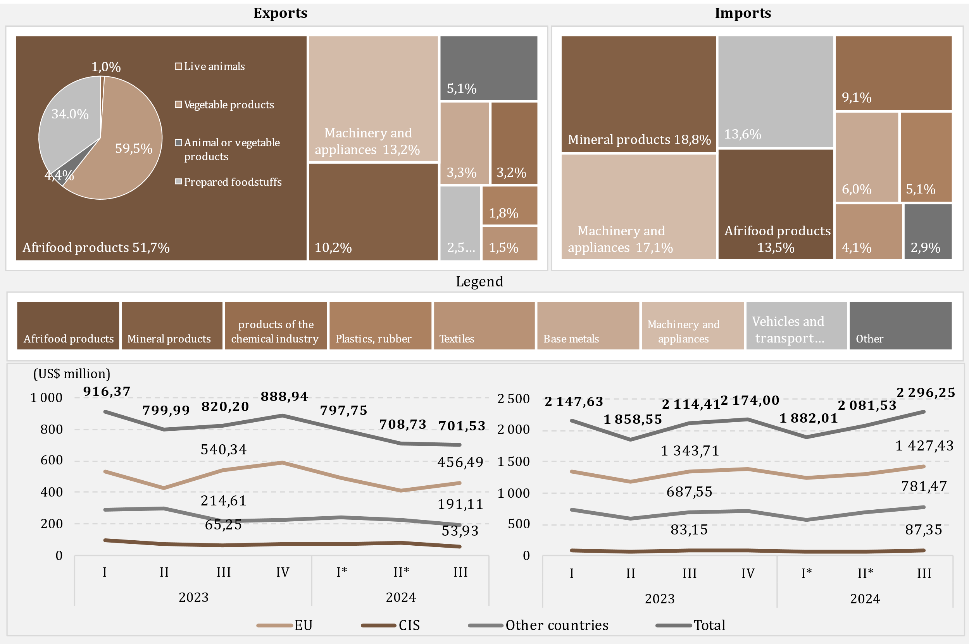

Source: NBM calculations based on NBS data
* revised data

D8
I. Balance of payments of the Republic of Moldova in Quarter III, 2024 (preliminary data)

The decrease in energy products and electricity imports, in quarter III 2024, compared to the same period in 2023, was mainly driven by the reduction in the value of imported natural gas and diesel fuel.

Chart 8. Imports of energy products and electricity (FOB prices)

* revised data
 | 2023 |  |  |  | 2024
 | I | II | III | IV | I* | II* | III
Diesel | 241.29 | 217.93 | 227.81 | 168.39 | 144.93 | 133.69 | 157.64
Natural gas | 188.86 | 6.75 | 167.12 | 95.45 | 9.63 | 28.22 | 25.84
Gasoline | 60.97 | 60.55 | 66.80 | 65.93 | 67.81 | 63.82 | 77.13
Electricity | 13.24 | 11.03 | 15.17 | 17.40 | 18.31 | 18.23 | 37.29
Coal | 5.02 | 2.13 | 4.46 | 4.93 | 3.06 | 2.47 | 2.16
Heating oil | 62.03 | 1.14 | 0.09 | 10.53 | 0.10 | 0.08 | 0.11
Other | 26.76 | 23.83 | 38.55 | 32.66 | 23.82 | 29.71 | 34.88
Total | 598.17 | 323.36 | 520.00 | 395.29 | 267.66 | 276.22 | 335.05

D9
I. Balance of payments of the Republic of Moldova in Quarter III, 2024 (preliminary data)

The increase in the services balance surplus was driven by the growth in both exports and imports of services.

Chart 9. Balance of services

* revised data
 | 2023 |  |  |  | 2024
 | I | II | III | IV | I* | II* | III
Balance | 270.48 | 191.2 | 182.32 | 250.9 | 211.78 | 242 | 229.12
Exports | 591.43 | 577.95 | 640.99 | 630.16 | 569.64 | 683.29 | 733.73
Imports | 320.95 | 386.75 | 458.67 | 379.26 | 357.86 | 441.29 | 504.61
Balance / GDP (right axis) | 7.9 | 4.8 | 4.0 | 5.4 | 5.6 | 5.7 | 4.4

D10
I. Balance of payments of the Republic of Moldova in Quarter III, 2024 (preliminary data)

In quarter III, 2024, the main categories of exported services were travel, transport and IT services, while for imports, the main categories were transport and travel.

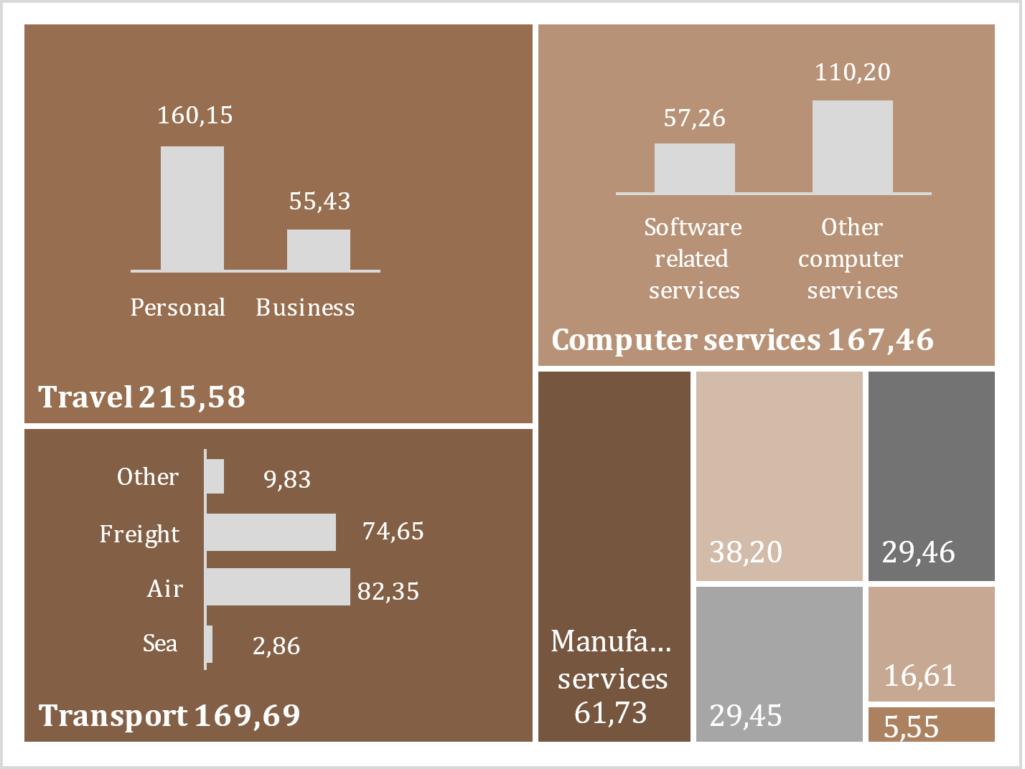
Chart 10. Exports and imports of services, by main types, in quarter III 2024
Exports | Imports
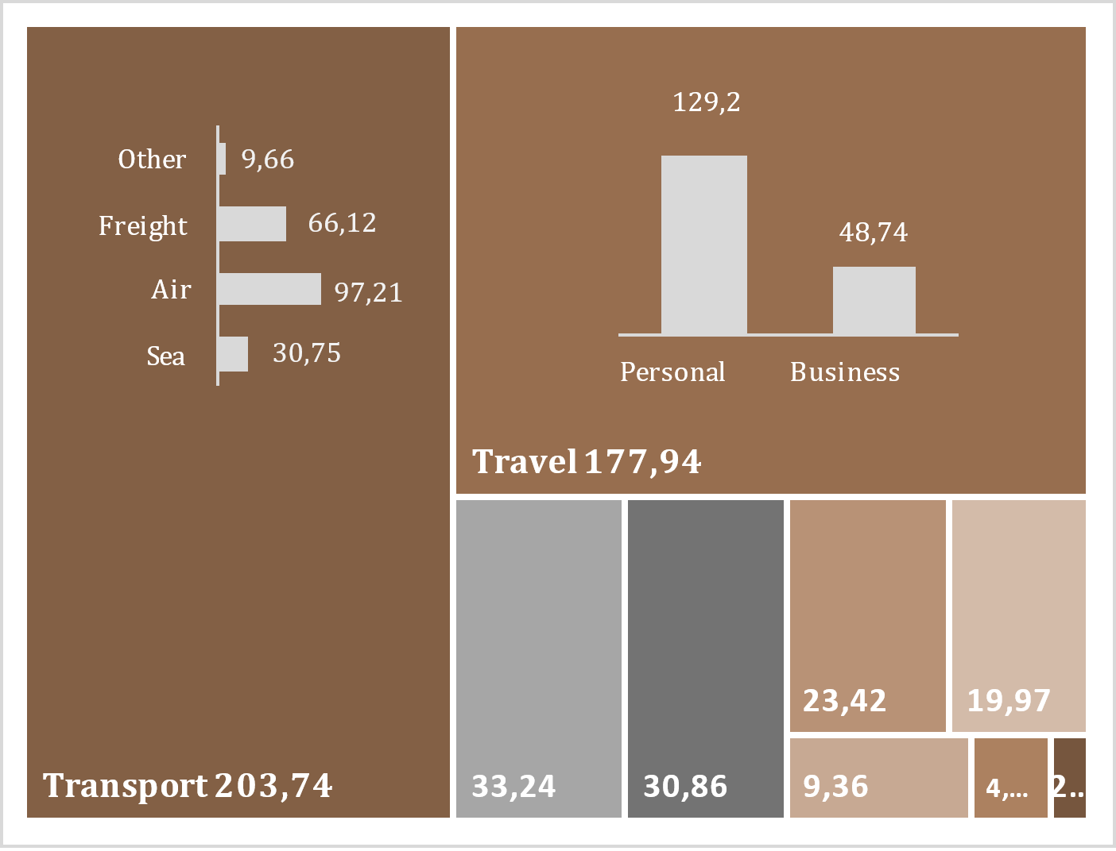

Legend

D11
I. Balance of payments of the Republic of Moldova in Quarter III, 2024 (preliminary data)

In quarter III, 2024, the balance of the primary income registered a deficit.

Chart 11. Primary income, in dynamics

Credit |  | Debit

 | Legend

* revised data

 | 2023 |  |  |  | 2024
 | I | II | III | IV | I* | II* | III
Balance / GDP (right axis) | 2.0% | 1.7% | 0.9% | 1.9% | 2.0% | 1.2% | -0.2%
Compensation of employees, net | 183.99 | 194.00 | 199.36 | 195.69 | 167.50 | 222.22 | 185.20
Investment income, net | -115.46 | -123.83 | -161.49 | -108.87 | -93.33 | -174.81 | -196.59
Other primary income, net | -0.41 | -1.72 | 3.72 | 1.77 | 2.11 | 1.81 | 0.66
Balance | 68.12 | 68.45 | 41.59 | 88.59 | 76.28 | 49.22 | -10.73

D12
I. Balance of payments of the Republic of Moldova in Quarter III, 2024 (preliminary data)

In quarter III, 2024, the decrease in the surplus of secondary income was the result of a decline in net personal transfers.

Chart 12. Secondary income, in dynamics

Credit | Debit
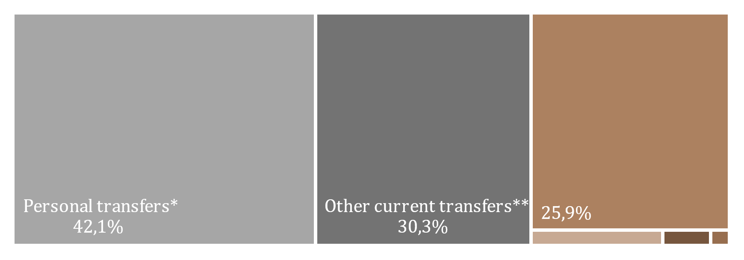

Legend

* revised data
** Current transfers between resident and non-resident households

 | 2023 |  |  |  | 2024
 | I | II | III | IV | I* | II* | III
Balance | 399.57 | 412.02 | 516.51 | 486.11 | 365.39 | 374.78 | 489.42
Current international cooperation, net | 91.13 | 76.85 | 198.62 | 183.18 | 79.10 | 71.32 | 156.66
Personal transfers, net | 196.47 | 219.86 | 194.58 | 177.43 | 164.88 | 157.03 | 160.36
Other secondary income, net | 111.97 | 115.31 | 123.31 | 125.50 | 121.41 | 146.43 | 172.40
Balance / GDP (right scale) | 11.6 | 10.4 | 11.5 | 10.4 | 9.6 | 8.9 | 9.48
* revised data

D13
I. Balance of payments of the Republic of Moldova in Quarter III, 2024 (preliminary data)

The decrease in personal remittances inflows was caused by a decline in inflows of personal transfer and remuneration of employees, while outflows increased due the growth in all components. Both inflows and outflows of personal remittances were from/to the EU, mainly.

Chart 13. Personal remittances by components

Personal remittances, by region

* revised data

 | 2023 |  |  |  | 2024
 | I | II | III | IV | I* | II* | III
Credit, total | 465.38 | 508.33 | 493.32 | 479.26 | 433.19 | 479.49 | 460.55
Personal transfers | 271.40 | 298.69 | 283.67 | 268.85 | 252.54 | 248.22 | 256.71
Compensation of employees | 180.25 | 189.90 | 195.56 | 194.75 | 167.57 | 215.56 | 183.38
Capital transfers between households | 13.73 | 19.74 | 14.09 | 15.66 | 13.08 | 15.71 | 20.46
Debit, total | 105.34 | 110.39 | 124.13 | 129.30 | 121.02 | 126.53 | 132.13
Personal transfers | 74.93 | 78.83 | 89.09 | 91.42 | 87.66 | 91.19 | 96.35
Compensation of employees | 24.17 | 24.92 | 26.07 | 28.90 | 25.62 | 26.90 | 26.32
Capital transfers between households | 6.24 | 6.64 | 8.97 | 8.98 | 7.74 | 8.44 | 9.46
Personal remittances (inflows) to GDP (%) | 13.5% | 12.8% | 10.9% | 10.3% | 11.4% | 11.4% | 8.9%

 | 2023 |  |  |  | 2024 |  |  | Share, in 2024 QIII
 | I | II | III | IV | I* | II* | III
Credit
EU | 256.31 | 286.50 | 295.01 | 290.01 | 253.42 | 277.03 | 269.72 | 58.6%
CIS | 77.40 | 71.08 | 53.36 | 51.38 | 38.82 | 53.54 | 37.40 | 8.1%
Other countries | 131.67 | 150.75 | 144.95 | 137.87 | 140.95 | 148.92 | 153.43 | 33.3%
Debit
EU | 55.88 | 58.56 | 65.43 | 66.11 | 67.83 | 70.23 | 80.14 | 60.7%
CIS | 25.46 | 26.68 | 33.95 | 34.11 | 22.60 | 24.74 | 23.41 | 17.7%
Other countries | 24.00 | 25.15 | 24.75 | 29.08 | 30.59 | 31.56 | 28.58 | 21.6%

D14
I. Balance of payments of the Republic of Moldova in Quarter III, 2024 (preliminary data)

In quarter III, 2024, the decrease in the capital account surplus was caused by a decrease in capital inflows of the public administration, while net inflows of private sector increased.

Chart 14. The evolution of the capital account
Balance of capital account evolution
capital transfers, by sector
 | inflows | outflows
2023-I | 6.68
2023-II | 11.99
2023-III | 19.85
2023-IV | 10.94
2024 -I* | 8.23
2024-II* | 8.75
2024-III | 7.76
2023-I | 13.73 | 6.24
2023-II | 19.74 | 6.64
2023-III | 14.09 | 8.97
2023-IV | 15.66 | 8.98
2024 -I* | 13.08 | 7.75
2024-II* | 15.71 | 8.49
2024-III | 20.46 | 9.46

* revised data

 | 2023 |  |  |  | 2024 |  |  |  |  | inflows | outflows
 | I | II | III | IV | I* | II* | II | General government | 2023-I | 6.68
Balance KA | 14.17 | 25.09 | 24.97 | 17.62 | 13.56 | 15.98 | 18.76 |  | 2023-II | 11.99
% GDP (right axis) | 0.4 | 0.6 | 0.6 | 0.4 | 0.4 | 0.4 | 0.4 |  | 2023-III | 19.85
 |  |  |  |  |  |  |  |  | 2023-IV | 10.94
 |  |  |  |  |  |  |  |  | 2024 -I* | 8.23
 |  |  |  |  |  |  |  |  | 2024-II* | 8.75
 |  |  |  |  |  |  |  |  | 2024-III | 7.76
 |  |  |  |  |  |  |  | Financial and nonfinancial corporations, Hs and NPISHs | 2023-I | 13.73 | 6.24
 |  |  |  |  |  |  |  |  | 2023-II | 19.74 | 6.64
 |  |  |  |  |  |  |  |  | 2023-III | 14.09 | 8.97
 |  |  |  |  |  |  |  |  | 2023-IV | 15.66 | 8.98
 |  |  |  |  |  |  |  |  | 2024 -I* | 13.08 | 7.75
 |  |  |  |  |  |  |  |  | 2024-II* | 15.71 | 8.49
 |  |  |  |  |  |  |  |  | 2024-III | 20.46 | 9.46

D16
I. Balance of payments of the Republic of Moldova in Quarter III, 2024 (preliminary data)

Net inflows of loans were primarily determined by net drawings of loans by public administration.

Chart 16. External loans (liabilities), drawings and repayments, in Quarter III, 2024 (US$ million)
by institutional sector
by maturity

long-term

short-term

 | drawings | repayments |  | drawings | repayments
General government | 334.42 | 126.7 | short-term | 12.94 | 12.51
Deposit-taking corporations, except CB | 2.74 | 8.04 | long-term | 219.23 | 198.97
Nonfinancial corporations, Hs and NPISHs | 28.99 | 42.99
Other financial corporations | 41.48 | 32.3
Central bank | 0 | 1.45
Loans | 407.63 | 211.48

D17
I. Balance of payments of the Republic of Moldova in Quarter III, 2024 (preliminary data)

In the quarter III, 2024, the main creditors of general government were International Monetary Fund, European Commission and European Bank for Reconstruction and Development.

Chart 17. The main creditors of general government in Quarter III, 2024

IMF | 52.5%
European Commission | 16.3%
EBRD | 14.3%
French Development Agency | 6.7%
IDA | 5.1%
EIB | 3.7%
IBRD | 1.2%
IFAD | 0.1%
BDCE | 0.1%
JICA | 0.1%
JICA | 0.0%

D18
II. International investment position at 09/30/2024 (preliminary data)

As of 09/30/2024, the net international investment position relative to GDP ratio improved compared to 12/31/2023.

Chart 18. Net international investment position, by institutional sector, % to GDP

* revised data

 | 2023 |  |  |  | 2024
 | I | II | III | IV | I* | II* | III
Central bank | 31.0 | 31.5 | 30.5 | 32.6 | 31.5 | 30.5 | 31.6
General government | -22.8 | -22.7 | -20.7 | -22.7 | -21.6 | -20.8 | -22.0
Deposit-taking corporations | -0.3 | 0.3 | 1.0 | 1.6 | 2.1 | 2.4 | 2.7
Other sectors | -51.7 | -50.6 | -50.3 | -47.5 | -46.6 | -44.9 | -44.7
Net IIP | -43.8 | -41.5 | -39.5 | -36.0 | -34.6 | -32.8 | -32.4

D19
II. International investment position at 09/30/2024 (preliminary data)

Reserve assets had the biggest share in the position of financial assets, while other investments and direct investments had significant shares in the financial liabilities position.

Chart 19. External financial assets and liabilities structure, by functional categories, at period-end (%)

* revised data

Assets |  | 2023 |  |  |  | 2024
 |  | I | II | III | IV | I* | II* | III
 | Direct investment | 5.9 | 5.7 | 5.8 | 5.3 | 5.6 | 5.8 | 5.7
 | Portfolio investment and financial derivatives | 0.2 | 0.2 | 0.2 | 0.3 | 0.3 | 0.3 | 0.3
 | Other investment | 24.7 | 24.1 | 23.0 | 24.2 | 24.0 | 24.7 | 24.6
 | Reserve assets | 69.2 | 70.0 | 71.0 | 70.2 | 70.1 | 69.2 | 69.4
Liabilities | Other investment | -60.1 | -60.3 | -58.8 | -60.0 | -60.0 | -59.8 | -59.6
 | Direct investment | -39.7 | -39.5 | -41.0 | -39.8 | -39.8 | -40.0 | -40.2
 | Portfolio investment and financial derivatives | -0.2 | -0.2 | -0.2 | -0.2 | -0.2 | -0.2 | -0.2

D20
II. International investment position at 09/30/2024 (preliminary data)

As of 09/30/2024, the position of official reserve assets decreased compared to 12/31/2023, but still meets all sufficiency criteria.

Chart 20. Indices of official reserve assets sufficiency

Note: Criteria are based on the IMF recommendations specified in “Assessing Reserve Adequacy - Specific Proposals", April 2015:
http://www.imf.org/external/np/pp/eng/2014/121914.pdf
* revised data

 | 2023 |  |  |  | 2024
 | I | II | III | IV | I * | II* | III
Reserve assets | 4,679.35 | 4,902.67 | 4,881.93 | 5,453.15 | 5,393.22 | 5,288.61 | 5,681.84
3 months of actual imports of goods and services | 2,641.36 | 2,576.67 | 2,555.62 | 2,486.18 | 2,484.82 | 2,472.26 | 2,529.20
100% of short-term external debt | 3,973.18 | 4,161.77 | 3,809.98 | 3,855.16 | 3,890.17 | 3,688.26 | 3,555.02
20% of M2 | 1,047.60 | 1,119.68 | 1,123.00 | 1,264.33 | 1,281.02 | 1,310.63 | 1,403.41
100% of (30%STD + 15%OL + 5%M2 + 5%eX) | 2,545.76 | 2,615.09 | 2,487.69 | 2,683.16 | 2,673.28 | 2,603.53 | 2,632.82
100-150% of (30%STD + 15%OL + 5%M2 + 5%eX) | 3,818.64 | 3,922.64 | 3,731.53 | 4,024.75 | 4,009.93 | 3,905.29 | 3,949.24

D21
II. International investment position at 09/30/2024 (preliminary data)

Direct investment positions in the form of equity and shares from EU and CIS increased compared to 12/31/2023.

Chart 21. Position of direct investment** – equity, by geographic region, at the end of period (US$ million)

* revised data
** positions calculated according to the own funds at book value method, by immediate investor’s country

 | 2023 |  |  |  | 2024
 | I | II | III | IV | I * | II* | III
EU | 2,882.34 | 2,880.39 | 3,030.68 | 3,014.09 | 3,007.27 | 2,996.98 | 3,219.17
Other countries | 511.64 | 547.44 | 543.82 | 584.31 | 523.66 | 507.73 | 572.57
CIS | -32.47 | -33.55 | -35.86 | -9.89 | -24.92 | -33.27 | -22.22

D22
II. International investment position at 09/30/2024 (preliminary data)

Financial activities and insurance, wholesale and retail trade, and manufacturing had the largest shares in the direct investment (equity) liabilities position.

Chart 22. Direct investment in domestic economy, equity as of 09/30/2024, by industry (according to NACE-2)

Note: Estimated data

Other | 3.4
Financial and insurance activities | 34.0
Wholesale and retail trade; repair of motor vehicles | 24.6
Manufacturing industry | 20.1
Information and communications | 5.9
Transportation and storage | 3.7
Electric and thermal energy, gas, hot water and air conditioning | 2.6
Real estate transactions | 2.4
Agriculture, forestry and fishing | 2.1
Health and social care | 1.2

D23
II. International investment position at 09/30/2024 (preliminary data)

The major share, of both financial assets and liabilities, accounted for long-term ones.

Chart 23. Structure of external financial assets and liabilities by maturity, at period-end (%)

* revised data

 |  | 2023 |  |  |  | 2024
 |  | I | II | III | IV | I * | II* | III
Assets | short-term | 46.9 | 44.0 | 39.7 | 43.1 | 37.9 | 35.9 | 39.8
 | long-term | 53.1 | 56.0 | 60.3 | 56.9 | 62.1 | 64.1 | 60.2
Liabilities | short-term | -21.0 | -21.0 | -20.4 | -19.6 | -19.8 | -19.5 | -18.6
 | long-term | -79.0 | -79.0 | -79.6 | -80.4 | -80.2 | -80.5 | -81.4

D24
III. External debt of the Republic of Moldova as of 09/30/2024 (preliminary data)

As of 09/30/2024, the main financing instrument used by the public authorities of the Republic of Moldova was loans, accounting for 90,4 percent of the total public external debt.

Chart 24. Public external debt at period-end (US$ million)
by instruments, 2024-III
by maturity

 | 2023 |  |  |  | 2024
 | I | II | III | IV | I* | II* | III |  | 2024-III
Public external debt | 3,476.97 | 3,574.01 | 3,347.52 | 3,820.52 | 3,751.41 | 3,656.46 | 4,009.45 | Loans | 3,623.96
Short-term | 0.78 | 1.01 | 1.15 | 1.30 | 1.50 | 1.75 | 1.96 | SDR allocations | 383.53
Long-term | 3,476.19 | 3,573.00 | 3,346.37 | 3,819.22 | 3,749.91 | 3,654.71 | 4,007.49 | Other | 1.96
* revised data

 |  |  | &

D25
III. External debt of the Republic of Moldova as of 09/30/2024 (preliminary data)

The International Monetary Fund and the World Bank Group were the main external creditors of the public sector.

Chart 25. Structure of external public debt by creditors at period-end (%)

 | 2023 |  |  |  | 2024
 | I | II | III | IV | I* | II* | III
IMF | 30.1 | 31.4 | 32.4 | 30.8 | 30.4 | 30.2 | 32.3
WB Group | 27.0 | 26.1 | 30.6 | 28.0 | 28.0 | 28.7 | 27.4
EIB | 12.7 | 12.4 | 12.8 | 11.8 | 12.1 | 12.5 | 12.1
European Commission | 5.5 | 6.6 | 6.8 | 7.7 | 7.6 | 7.8 | 8.8
EBRD | 14.8 | 13.6 | 7.2 | 8.9 | 8.6 | 7.6 | 6.2
IFAD | 2.1 | 2.0 | 2.2 | 2.0 | 2.0 | 2.0 | 1.9
Other creditors | 7.8 | 7.9 | 8.0 | 10.8 | 11.3 | 11.2 | 11.3
* revised data

D26
III. External debt of the Republic of Moldova as of 09/30/2024 (preliminary data)

During the first 3 quartesr of 2024, private external debt had a downward trend, due to the decrease in both long-term and short-term debt.

Chart 26. Private external debt at period-end (according to original maturities), (US$ million)

 | 2023 |  |  |  | 2024 |  |  |  | 2024-III
 | I | II | III | IV | I* | II* | III
Private external debt | 6,401.04 | 6,395.51 | 6,214.88 | 6,298.32 | 6,269.63 | 6,124.00 | 6,163.75 | Loans | 49.3%
Short-term | 2,781.13 | 2,808.50 | 2,680.05 | 2,683.31 | 2,677.84 | 2,582.27 | 2,592.96 | Trade credit and advances | 37.8%
Long-term | 3,619.91 | 3,587.01 | 3,534.83 | 3,615.01 | 3,591.79 | 3,541.73 | 3,570.79 | Other debt liabilities | 9.8%
* revised data |  |  |  |  |  |  |  | Currency and deposits | 3.1%

D27
III. External debt of the Republic of Moldova as of 09/30/2024 (preliminary data)

Non-financial corporations mantained the main share in private external debt.

Chart 27. Structure of external private debt by institutional sectors at period-end (%)

 | 2023 I | 2023 II | 2023 III | 2023 IV | 2024 I* | 2024 II* | 2024 III
Nonfinancial corporations | 3,618.74 | 3,665.07 | 3,537.24 | 3,535.71 | 3,558.73 | 3,457.81 | 3,467.37
Direct investment: intercompany lending | 1,898.87 | 1,889.05 | 1,846.09 | 1,880.45 | 1,857.11 | 1,823.51 | 1,827.73
Deposit-taking corporations | 504.08 | 445.41 | 438.34 | 494.40 | 463.72 | 440.22 | 456.43
Other fin. corporations | 312.09 | 328.13 | 324.40 | 316.53 | 317.47 | 328.92 | 337.55
Households and NPISHs | 67.26 | 67.85 | 68.81 | 71.23 | 72.60 | 73.54 | 74.67
* revised data

D28
III. External debt of the Republic of Moldova as of 09/30/2024 (preliminary data)

The main creditors of the private sector were other creditors.

Chart 28. Creditor structure of private debt as of 09/30/2024
 | 2024-III
Other creditors | 2,541.06
Deposit-taking corporations, except CB | 213.34
ERBD | 155.84
EIB | 81.71
IFC | 28.24
BSTDB | 11.17
CEB | 5.58

 | 2024-III
Other creditors | 2,541.06
Deposit-taking corporations, except CB | 213.34
Multilateral creditors | 282.54
ERBD | 155.84
EIB | 81.71
IFC | 28.24
BSTDB | 11.17
CEB | 5.58

