D1
I. Balance of payments of the Republic of Moldova in Quarter I, 2024 (preliminary data)

In quarter I, 2024, Moldova and its main trading partners, continued the economic recovery.

Chart 1. GDP, physical volume indices (% as against the same quarter of the previous year)
 | RUS | UKR | ROU | EU | #REF! | MDA
I | 98.2 | 89.5 | 102.4 | 100.1 | 1 | 97.6
II | 104.9 | 118.1 | 101.1 | 100.1 |  | 97.8
III | 105.5 | 109.3 | 101.9 | 100 |  | 102.6
IV | 105.1 | 104.5 | 103 | 100 |  | 100.2
I | 105.4 | 103.9 | 100.1 | 100 |  | 101.9

Sources: National statistical authorities, OECD.Stat

 | 2023 |  |  |  | 2024
 | I | II | III | IV | I
RUS | 98.2 | 104.9 | 105.5 | 105.1 | 105.4
UKR | 89.5 | 118.1 | 109.3 | 104.5 | 103.9
ROU | 102.4 | 101.1 | 101.9 | 103 | 100.1
EU | 100.1 | 100.1 | 100 | 100 | 100
MDA | 97.6 | 97.8 | 102.6 | 100.2 | 101.9

D2
I. Balance of payments of the Republic of Moldova in Quarter I, 2024 (preliminary data)

In quarter I, 2024, in comparison with the quarter I, 2023, both trade and financial openness of the economy decreased.

Chart 2. Economic openness indicators, %

 | 2023 |  |  |  | 2024
 | I | II | III | IV | I
Trade openness | 115.7 | 91.5 | 89.6 | 87.6 | 95.2
Exports of goods and services / GDP | 43.9 | 34.7 | 32.4 | 32.6 | 35.9
Imports of goods and services / GDP | 71.8 | 56.8 | 57.2 | 55.0 | 59.3

 | 31.03.2023 | 30.06.2023 | 30.09.2023 | 31.12.2023 | 31.03.2024
Financial openness | 135.5 | 133.5 | 128.1 | 131.0 | 126.2
Foreign fin. assets / GDP | 45.8 | 45.9 | 43.8 | 45.7 | 44.5
Foreign liabilities / GDP | 89.7 | 87.6 | 84.3 | 85.3 | 81.7

D3
I. Balance of payments of the Republic of Moldova in Quarter I, 2024 (preliminary data)

In quarter I 2024, the current account deficit contracted and the financial account recorded bigger net inflows of financing.

Chart 3. Balance of payments of the Republic of Moldova – main components (US$ million)

 | 2023 |  |  |  | 2024
 | I | II | III | IV | I
Current account | -498.78 | -396.14 | -555.86 | -522.87 | -449.61
Capital account | 14.17 | 25.09 | 24.97 | 17.62 | 11.47
Financial account | -465.47 | -294.67 | -616.28 | -461.04 | -493.11
Net errors and omissions | 19.14 | 76.38 | -85.39 | 44.21 | -54.97

D4
I. Balance of payments of the Republic of Moldova in Quarter I, 2024 (preliminary data)

The current account deficit contracted in the quarter I, 2024 due to the decrease in the external trade in goods deficit and the increase in the surplus of primary income.

Chart 4. Current account – main components (US$ million)

 | 2023 |  |  |  | 2024
 | I | II | III | IV | I
Current account | -498.78 | -396.14 | -555.86 | -522.87 | -449.61
Exports / inputs | 2,252.13 | 2,170.78 | 2,383.97 | 2,412.36 | 2,093.55
Goods | 916.37 | 799.99 | 820.20 | 888.94 | 796.63
Services | 590.92 | 577.45 | 640.47 | 630.92 | 565.92
Primary income | 247.14 | 274.42 | 284.53 | 287.95 | 257.78
Secondary income | 497.70 | 518.92 | 638.77 | 604.55 | 473.22
Imports/outputs | -2,750.91 | -2,566.92 | -2,939.83 | -2,935.23 | -2,543.16
Goods | -2151.2 | -1863.48 | -2118.71 | -2179.91 | -1898.5736
Services | -317.05 | -392.21 | -459.6 | -385.08 | -356.26
Primary income | -184.64 | -207.59 | -240.29 | -251.71 | -180.24
Secondary income | -98.02 | -103.64 | -121.23 | -118.53 | -108.09

D5
I. Balance of payments of the Republic of Moldova in Quarter I, 2024 (preliminary data)

In quarter I, 2024, the trade in goods deficit with the EU and other countries decreased significantly compared to the same period of the previous year.

Chart 5. Trade in goods balance, by region (FOB-FOB)

Source: NBM calculations based on NBS data

 | 2023 |  |  |  | 2024
 | I | II | III | IV | I
Total | -1,234.83 | -1,063.49 | -1,298.51 | -1,290.97 | -1,101.94
EU | -807.14 | -758.44 | -806.05 | -792.79 | -759.33
CIS | 6.50 | -1.29 | -18.07 | -13.92 | -8.26
Other countries | -434.19 | -303.76 | -474.39 | -484.26 | -334.35

D6
I. Balance of payments of the Republic of Moldova in Quarter I, 2024 (preliminary data)

In quarter I, 2024, the main trading partners of the Republic of Moldova in both exports and imports of goods were neighboring countries Romania and Ukraine.

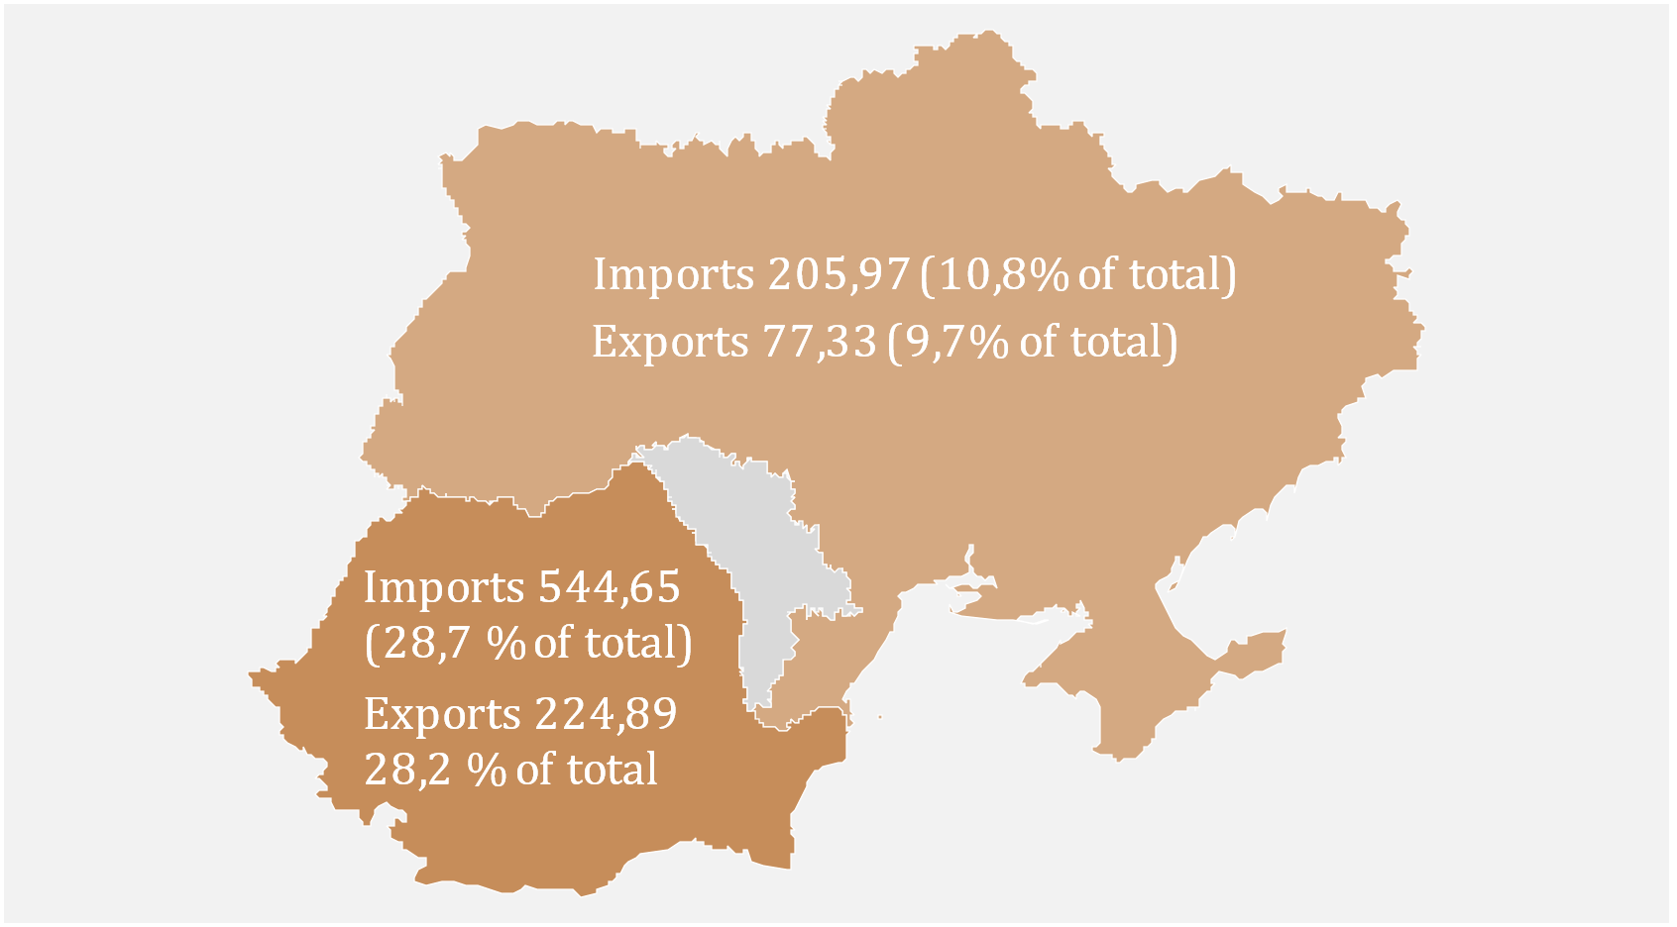
Chart 6. Main trading partners (US$ million)
 | Nr | Partner country | Exports | Imports
 | 1 | Romania | 224.89 | 544.65
 | 2 | Ukraine | 77.33 | 205.97
 | 3 | Turkey | 47.05 | 161.13
 | 4 | Germany | 56.02 | 129.98
 | 5 | Poland | 35.78 | 111.92
 | 6 | China | 2.54 | 111.01
 | 7 | Italy | 26.99 | 71.53
 | 8 | Czech Republic | 45.00 | 49.18
 | 9 | Russia | 29.95 | 44.73
 | 10 | Bulgaria | 21.09 | 37.28

D7
I. Balance of payments of the Republic of Moldova in Quarter I, 2024 (preliminary data)

The decrease in exports of goods was driven by a substantial reduction in exports of mineral products to the CIS. The decrease in the imports of goods was driven by lower deliveries of mineral products, as well, from the EU and other countries.

Chart 7. Exports and imports of goods by main categories
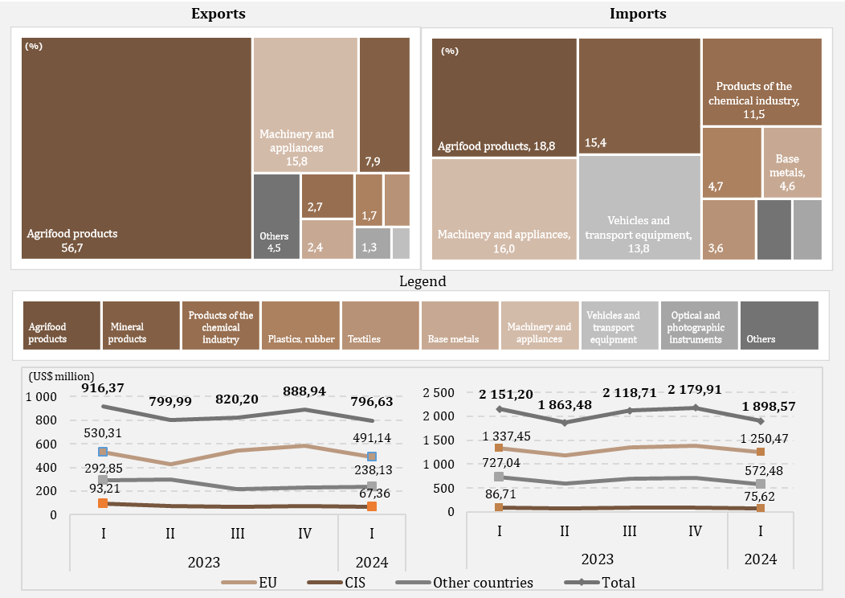

D8
I. Balance of payments of the Republic of Moldova in Quarter I, 2024 (preliminary data)

In the quarter I, 2024, the export of ethyl alcohol and alcoholic beverages to the CIS decreased compared to the same period of the previous year. Also, the top five export partners accounted for more than 60% of the total ethyl alcohol export.

Chart 8. Exports of ethyl alcohol and alcoholic beverages, by region (US$ million)
 |  | Nr. | Partner country | Total export | % of total
 |  | 1 | USA | 9.6 | 16.8
 |  | 2 | Ukraine | 8.31 | 14.6
 |  | 3 | Belarus | 7.7 | 13.5
 |  | 4 | Romania | 7.65 | 13.4
 |  | 5 | Serbia | 2.62 | 4.6
 |  | 6 | Poland | 2.32 | 4.1
 |  | 7 | Czech Republic | 2.19 | 3.8
 |  | 8 | Greece | 1.65 | 2.9
 |  | 9 | Mainland China | 1.58 | 2.8
 |  | 10 | Germany | 1.24 | 2.2
Source: NBM calculations based on NBS data

 | 2023
 | I | II | III | IV | I
EU | 18.42 | 20.10 | 19.10 | 26.05 | 19.50
CIS | 11.85 | 12.04 | 10.21 | 10.10 | 0.76
Other countries | 23.20 | 19.54 | 22.77 | 27.95 | 36.80
Total | 53.47 | 51.68 | 52.08 | 64.10 | 57.06

D9
I. Balance of payments of the Republic of Moldova in Quarter I, 2024 (preliminary data)

In the quarter I, 2024, compared with the same period in 2023, reductions in import value were registered for the majority of energy products.

Chart 9. Imports of energy products and electricity (FOB prices)

 | 2023 |  |  |  | 2024
 | I | II | III | IV | I
Gasoline | 60.97 | 60.55 | 66.80 | 65.93 | 67.79
Coal | 5.02 | 2.13 | 4.46 | 4.93 | 3.06
Natural gas | 188.85 | 6.75 | 167.12 | 95.44 | 9.79
Diesel | 241.29 | 217.93 | 227.81 | 168.39 | 144.95
Heating oil | 62.03 | 1.14 | 0.09 | 10.53 | 0.10
Electricity | 13.24 | 11.03 | 15.17 | 17.40 | 18.31
Other | 26.76 | 23.83 | 38.55 | 32.66 | 23.82
Total | 598.16 | 323.36 | 520.00 | 395.28 | 267.82

D10
I. Balance of payments of the Republic of Moldova in Quarter I, 2024 (preliminary data)

The decrease in the surplus of the services balance was determined by the increase in the value of imports of services and decrease in exports.

Chart 10. Balance of services

 | 2023 |  |  |  | 2024
 | I | II | III | IV | I
Balance | 273.87 | 185.24 | 180.87 | 245.84 | 209.66
Exports | 590.92 | 577.45 | 640.47 | 630.92 | 565.92
Imports | 317.05 | 392.21 | 459.60 | 385.08 | 356.26
Balance / GDP (right axis) | 8.0 | 4.7 | 4.0 | 5.3 | 5.5

D11
I. Balance of payments of the Republic of Moldova in Quarter I, 2024 (preliminary data)

Travel services had the most significant contribution to the overall decline in the export of services, while transportation services - the most significant contribution to the decline in imports.

Chart 11. Exports and imports of services, by main types, in quarter I 2024 (USD million)
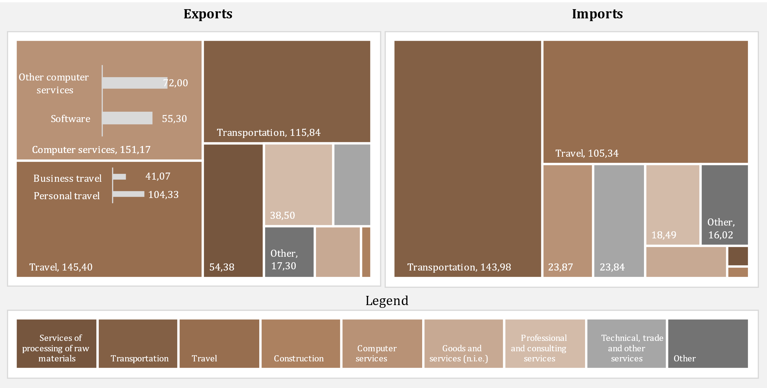

D12
I. Balance of payments of the Republic of Moldova in Quarter I, 2024 (preliminary data)

In the quarter I, 2024, the surplus in the primary income balance increased.

Chart 12. Primary income, in dynamics

 | 2023 |  |  |  | 2024
 | I | II | III | IV | I
Balance / GDP (right axis) | 1.8 | 1.7 | 1.0 | 0.8 | 2.0
Compensation of employees, net | 183.99 | 194.00 | 199.36 | 195.69 | 169.11
Investment income, net | -121.08 | -125.45 | -158.84 | -161.22 | -93.13
Other primary income, net | -0.41 | -1.72 | 3.72 | 1.77 | 1.56
Balance | 62.50 | 66.83 | 44.24 | 36.24 | 77.54

D13
I. Balance of payments of the Republic of Moldova in Quarter I, 2024 (preliminary data)

In quarter I 2024, the decrease in the secondary income surplus was the result of decrease in net current international cooperation and net personal transfers.

Chart 13. Secondary income, in dynamics
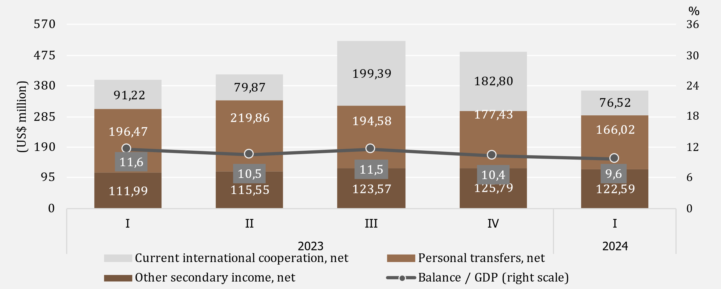

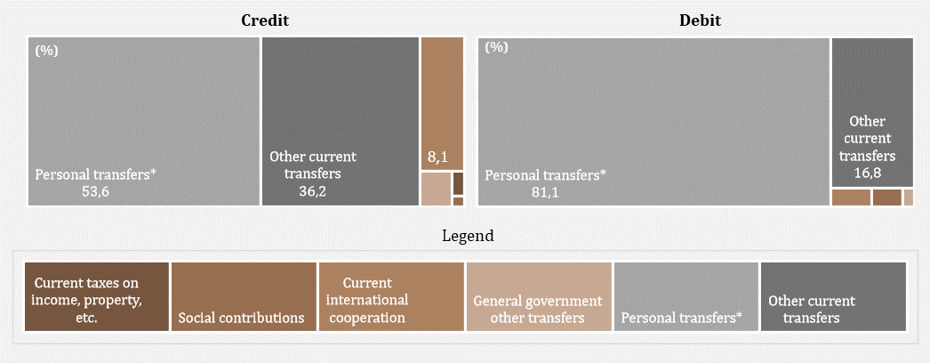

D14
I. Balance of payments of the Republic of Moldova in Quarter I, 2024 (preliminary data)

The decrease in inflows of personal remittances was due to smaller inflow in all three components.

Chart 14. Personal remittances by components
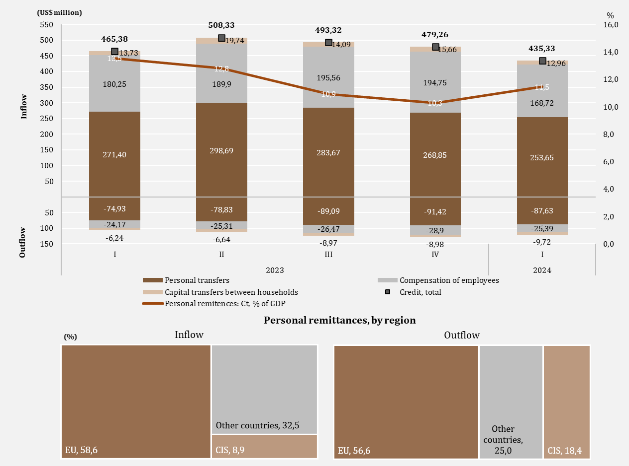

D15
I. Balance of payments of the Republic of Moldova in Quarter I, 2024 (preliminary data)

In quarter I, 2024, the decrease in the capital account balance was due to the increase in capital outflows in the private sector.

Chart 15. The evolution of the capital account
the capital account evolution
capital transfers, sectoral presentation
 | inflows | outflows
2023-I | 6.68
2023-II | 11.99
2023-III | 19.85
2023-IV | 10.94
2024-I | 8.23
2023-I | 13.73 | 6.24
2023-II | 19.74 | 6.64
2023-III | 14.09 | 8.97
2023-IV | 15.66 | 8.98
2024-I | 12.96 | 9.72

 | 2023 |  |  |  | 2024 |  |  | inflows | outflows
 | I | II | III | IV | I | General government | 2023-I | 6.68
Balance KA | 14.17 | 25.09 | 24.97 | 17.62 | 11.47 |  | 2023-II | 11.99
% GDP (right axis) | 0.4 | 0.6 | 0.6 | 0.4 | 0.3 |  | 2023-III | 19.85
 |  |  |  |  |  |  | 2023-IV | 10.94
 |  |  |  |  |  |  | 2024-I | 8.23
 |  |  |  |  |  | Financial and nonfinancial corporations, Hs and NPISHs | 2023-I | 13.73 | 6.24
 |  |  |  |  |  |  | 2023-II | 19.74 | 6.64
 |  |  |  |  |  |  | 2023-III | 14.09 | 8.97
 |  |  |  |  |  |  | 2023-IV | 15.66 | 8.98
 |  |  |  |  |  |  | 2024-I | 12.96 | 9.72

D16
I. Balance of payments of the Republic of Moldova in Quarter I, 2024 (preliminary data)

The net decrease in financial assets was mainly due to the decrease in currency and deposits assets. The net increase in liabilities was determined by the evolution of direct investment and trade credit and advances liabilities.

Chart 16. Financial account, assets and liabilities by functional categories in Quarter I 2024 (US$ million)
 | Direct investment | Currency and deposits | Loans | Trade credit and advances | Reserve assets | Other financial flows
Net acquisition of financial assets | 7.59 | -383.54 | 35.31 | -58.52 | 7.09 | 0.78
Net incurrence of liabilities | 54.83 | -25.46 | 23.03 | 50.48 |  | -1.06

 | Net acquisition of financial assets | Net incurrence of liabilities
Total | -391.29 | 101.82
Direct investment | 7.59 | 54.83
Other financial flows | 0.78 | -1.06
Currency and deposits | -383.54 | -25.46
Loans | 35.31 | 23.03
Trade credit and advances | -58.52 | 50.48
Reserve assets | 7.09

D17
I. Balance of payments of the Republic of Moldova in Quarter I, 2024 (preliminary data)

Loans liabilities increased due to the increase in net drawings of other sectors.

Chart 17. External loans (liabilities), drawings and repayments, in Quarter I, 2024 (US$ million)
by institutional sector
by maturity

long term

short term

 | drawings | repayments |  | drawings | repayments
Central bank | 0 | 1.00 | short-term | 0.80 | 0.30
General government | 51.67 | 54.17 | long-term | 135.33 | 112.80
Deposit-taking corporations, except CB | 13.58 | 8.72
Nonfinancial corporations, Hs and NPISHs | 41.39 | 19.87
Other financial corporations | 29.49 | 29.34
Loans | 136.13 | 113.1

D18
I. Balance of payments of the Republic of Moldova in Quarter I, 2024 (preliminary data)

In the quarter I, 2024, the main creditors of general government were the European Investment Bank and International Development Association.

Chart 18. The main creditors of general government in Quarter I, 2024

EIB | 40.0%
IDA | 27.1%
ERBD | 18.4%
JICA | 4.5%
BGK | 4.2%
IFAD | 3.4%
IBRD | 2.4%

D19
II. International investment position at 03/31/2024 (preliminary data)

As of 03/31/2024, the net international investment position relative to GDP improved compared to 12/31/2023.

Chart 19. Net international investment position, by institutional sector, % to GDP

 | 2023 |  |  |  | 2024
 | I | II | III | IV | I
Central bank | 31.1 | 31.5 | 30.5 | 32.6 | 31.5
General government | -22.8 | -22.7 | -20.7 | -22.7 | -21.6
Deposit-taking corporations | -0.4 | 0.2 | 0.9 | 1.4 | 1.9
Other sectors | -51.7 | -50.7 | -51.1 | -51.0 | -49.0
Net IIP | -43.9 | -41.7 | -40.4 | -39.7 | -37.2

D20
II. International investment position at 03/31/2024 (preliminary data)

Reserve assets had the biggest share in financial assets, while other investment and direct investment had significant shares in financial liabilities.

Chart 20. External financial assets and liabilities structure, by functional categories, at period-end (%)
 | Direct investment | Portfolio investment and financial derivatives | Other investment | Reserve assets | #REF! | Other investment | Direct investment | Portfolio investment and financial derivatives
I | 6.6 | 0.2 | 24.4 | 68.8 | 1 | 60.4 | 39.4 | 0.2
II | 6.4 | 0.2 | 23.9 | 69.5 |  | 60.5 | 39.3 | 0.2
III | 6.6 | 0.2 | 22.7 | 70.5 |  | 59.5 | 40.3 | 0.2
IV | 5.9 | 0.2 | 21.9 | 72 |  | 60.7 | 39.1 | 0.2
I | 6.1 | 0.2 | 22.1 | 71.6 |  | 61.2 | 38.6 | 0.2

Assets |  | 2023 |  |  |  | 2024
 |  | I | II | III | IV | I
 | Direct investment | 6.6 | 6.4 | 6.6 | 5.9 | 6.1
 | Portfolio investment and financial derivatives | 0.2 | 0.2 | 0.2 | 0.2 | 0.2
 | Other investment | 24.4 | 23.9 | 22.7 | 21.9 | 22.1
 | Reserve assets | 68.8 | 69.5 | 70.5 | 72 | 71.6
Liabilities | Other investment | 60.4 | 60.5 | 59.5 | 60.7 | 61.2
 | Direct investment | 39.4 | 39.3 | 40.3 | 39.1 | 38.6
 | Portfolio investment and financial derivatives | 0.2 | 0.2 | 0.2 | 0.2 | 0.2

D21
II. International investment position at 03/31/2024 (preliminary data)

As of 03/31/2024, the official reserve assets position increased compared to 12/31/2023 and corresponded to all sufficiency criteria.

Chart 21. Indices of official reserve assets sufficiency

Note: Criteria are based on the IMF recommendations specified in “Assessing Reserve Adequacy - Specific Proposals", April 2015:
http://www.imf.org/external/np/pp/eng/2014/121914.pdf

 | 2023 |  |  |  | 2024
 | I | II | III | IV | I
Reserve assets | 4,679.35 | 4,902.67 | 4,881.93 | 5,453.15 | 5,393.23
3 months of actual imports of goods and services | 2,641.28 | 2,579.18 | 2,559.43 | 2,466.81 | 2,413.46
100% of short-term external debt | 2,856.45 | 2,881.31 | 2,886.88 | 3,035.98 | 3,014.53
20% of M2 | 1,047.60 | 1,119.68 | 1,123.00 | 1,264.30 | 1,281.02
100% of (30%STD + 15%OL + 5%M2 + 5%eX) | 2,209.94 | 2,230.02 | 2,209.95 | 2,361.62 | 2,332.97
100-150% of (30%STD + 15%OL + 5%M2 + 5%eX) | 3,314.91 | 3,345.03 | 3,314.92 | 3,542.42 | 3,499.45

D22
II. International investment position at 03/31/2024 (preliminary data)

 | 1 | 1 | 1
Direct investment positions in equity and investment fund shares decreased compared to 12/31/2023 for all regions.

Chart 22. Position of direct investment** – equity, by geographic region, at the end of period (US$ million)

* positions calculated according to the own funds at book value method, by immediate investor’s country

 | 2023 |  |  |  | 2024
 | I | II | III | IV | I
EU | 2,859.95 | 2,879.90 | 3,013.80 | 3,152.01 | 3,009.02
Other countries | 517.45 | 550.07 | 544.54 | 540.12 | 504.65
CIS | -33.92 | -33.13 | -36.84 | -40.74 | -24.54

D23
II. International investment position at 03/31/2024 (preliminary data)

Financial activities and insurance, wholesale and retail trade, and manufacturing had the largest shares in the direct investment (equity) liabilities position.

Chart 23. Direct investment in domestic economy, equity as of 03/31/2024, by industry (according to NACE-2)

Other | 3.2
Financial and insurance activities | 36.2
Wholesale and retail trade; repair of motor vehicles | 24.7
Manufacturing industry | 19.9
Information and communications | 5.4
Transportation and storage | 4.2
Electric and thermal energy, gas, hot water and air conditioning | 2.7
Agriculture, forestry and fishing | 1.4
Administrative services activities | 1.2
Construction | 1.1

D24
II. International investment position at 03/31/2024 (preliminary data)

The major share, of both financial assets and liabilities, accounted for long-term instruments.

Chart 24. Structure of external financial assets and liabilities by maturity, at period-end (%)

 |  | 2023 |  |  |  | 2024
 |  | I | II | III | IV | I
Assets | short-term | 46.5 | 43.6 | 39.3 | 41.1 | 36.1
 | long-term | 53.5 | 56.4 | 60.7 | 58.9 | 63.9
Liabilities | short-term | 78.5 | 78.6 | 78.3 | 78.5 | 78.2
 | long-term | 21.5 | 21.4 | 21.7 | 21.5 | 21.8

D25
III. External debt of the Republic of Moldova as of 03/31/2024 (preliminary data)

As of 03/31/2024, compared to the the end of 2023, gross external debt decreased due to the decrease of long-term debt position.

Chart 25. Public external debt at period-end (US$ million)
by instruments, 2024-I
dynamics, by maturity

 | 2023 |  |  |  | 2024
 | I | II | III | IV | I |  | 2024-I
Public external debt | 3,476.97 | 3,574.01 | 3,347.51 | 3,820.52 | 3,727.83 | Loans | 3,351.74
Short-term | 0.78 | 1.01 | 1.15 | 1.30 | 1.50 | SDR allocations | 374.59
Long-term | 3,476.19 | 3,573.00 | 3,346.36 | 3,819.22 | 3,726.33 | Other | 1.50

D26
III. External debt of the Republic of Moldova as of 03/31/2024 (preliminary data)

The International Monetary Fund and the World Bank Group are the main external creditors of the public sector.

Chart 26. Structure of external public debt by creditors at period-end (%)

 | 2023-I | 2023-II | 2023-III | 2023-IV | 2023-I
IMF | 30.1 | 31.4 | 32.4 | 30.8 | 30.6
WB Group | 27 | 26.1 | 30.6 | 28 | 28.2
EIB | 12.7 | 12.4 | 12.8 | 11.8 | 12.1
EBRD | 14.8 | 13.6 | 7.2 | 8.9 | 8.7
European Commission | 5.5 | 6.6 | 6.8 | 7.7 | 7.7
IFAD | 2.1 | 2 | 2.2 | 2 | 2
Other creditors | 7.8 | 7.9 | 8 | 10.8 | 10.7

D27
III. External debt of the Republic of Moldova as of 03/31/2024 (preliminary data)

As of 03/31/2024, private external debt decreased compared to the situation at the end of 2023, as a result of the decrease in both long-term and short-term debt positions.

Chart 27. Private external debt at period-end (US$ million)
by instruments
by maturity

 | 2023 |  |  |  | 2024 |  | 2024-I
 | I | II | III | IV | I | Trade credit and advances | 37.4%
Public external debt | 6,472.06 | 6,462.30 | 6,415.36 | 6,645.13 | 6,595.84 | Loans | 30.9%
Short-term | 2,855.67 | 2,880.30 | 2,885.73 | 3,034.68 | 3,013.03 | Liabilities incurred by direct investment enterprises vis-à-vis their direct investors | 28.2%
Long-term | 3,616.39 | 3,582.00 | 3,529.63 | 3,610.45 | 3,582.81 | Currency and deposits | 2.8%
 |  |  |  |  |  | Other debt liabilities | 0.7%

D28
III. External debt of the Republic of Moldova as of 03/31/2024 (preliminary data)

Non-financial corporations maintained the biggest share in the private external debt.

Chart 28. Structure of external private debt by institutional sectors at period-end (%)

 | 2023-I | 2023-II | 2023-III | 2023-IV | 2023-I
Nonfinancial corporations | 3,676.32 | 3,718.39 | 3,723.61 | 3,867.14 | 3,872.43
Direct investment: intercompany lending | 1,899.16 | 1,888.68 | 1,846.12 | 1,882.47 | 1,856.73
Deposit-taking corporations | 522.41 | 463.74 | 456.67 | 512.73 | 482.05
Other fin. corporations | 306.85 | 322.84 | 319.30 | 310.77 | 311.10
Households and NPISHs | 67.32 | 68.65 | 69.66 | 72.02 | 73.53

D29
III. External debt of the Republic of Moldova as of 03/31/2024 (preliminary data)

The main creditors of the private sector were other creditors.

Chart 29. Creditor structure of private debt as of 03/31/2024
 | 2024-I
Other creditors | 2,619.61
Deposit-taking corporations, except CB | 140.84
EIB | 179.02
ERBD | 84.06
IFC | 27.28
CEB | 7.11
BSTDB | 6.81

 | 2024-I
Other creditors | 2,619.61
Deposit-taking corporations, except CB | 140.84
Multilateral creditors | 304.28
EIB | 179.02
ERBD | 84.06
IFC | 27.28
CEB | 7.11
BSTDB | 6.81

