D1
I. Balance of payments of the Republic of Moldova in Quarter II, 2024 (preliminary data)

In quarter II, 2024, Moldova and its main trading partners, continued the economic recovery.

Chart 1. GDP, physical volume indices (% as against the same quarter of the previous year)
 | RUS | UKR | ROU | EU | #REF! | MDA
I | 98.2 | 89.5 | 102.4 | 100.1 | 1 | 97.6
II | 104.9 | 118.1 | 101.1 | 100.1 |  | 97.8
III | 105.5 | 109.3 | 101.9 | 100 |  | 102.6
IV | 105.1 | 104.5 | 103 | 100 |  | 100.2
I* | 105.4 | 103.9 | 100.1 | 100 |  | 101.9
II | 104.1 | 103.7 | 100.1 | 100.3 |  | 102.4

Sources: National statistical authorities, OECD.Stat
* revised data

 | 2023 |  |  |  | 2024
 | I | II | III | IV | I* | II
RUS | 98.2 | 104.9 | 105.5 | 105.1 | 105.4 | 104.1
UKR | 89.5 | 118.1 | 109.3 | 104.5 | 103.9 | 103.7
ROU | 102.4 | 101.1 | 101.9 | 103 | 100.1 | 100.1
EU | 100.1 | 100.1 | 100 | 100 | 100 | 100.3
MDA | 97.6 | 97.8 | 102.6 | 100.2 | 101.9 | 102.4

D2
I. Balance of payments of the Republic of Moldova in Quarter II, 2024 (preliminary data)

In quarter II. 2024, both trade and financial openness of the economy decreased.

Chart 2. Economic openness indicators, %

 | 2023 |  |  |  | 2024
 | I* | II* | III* | IV* | I* | II
Trade openness | 115.7 | 91.3 | 89.5 | 87.4 | 95.2 | 93.3
Exports of goods and services / GDP | 43.9 | 34.7 | 32.4 | 32.6 | 35.9 | 33.3
Imports of goods and services / GDP | 71.8 | 56.6 | 57.1 | 54.8 | 59.3 | 60.0

 | 03/31/2023* | 06/30/2023* | 09/30/2023* | 12/31/2023* | 03/31/2024* | 06/30/2024
Financial openness | 134.7 | 132.6 | 126.6 | 129.7 | 125.2 | 121.4
Foreign financial assets / GDP | 45.5 | 45.6 | 43.5 | 46.9 | 45.3 | 44.3
Foreign financial liabilities / GDP | 89.2 | 87.1 | 83.1 | 82.8 | 79.9 | 77.1

D3
I. Balance of payments of the Republic of Moldova in Quarter II, 2024 (preliminary data)

In quarter II, 2024, the current account deficit increased, while the financial account recorded net financial inflows, insufficient to cover it.

Chart 3. Balance of payments of the Republic of Moldova – main components (US$ million)

* revised data

 | 2023 |  |  |  | 2024
 | I | II | III | IV | I | II
Current account | -493.09 | -386.89 | -553.79 | -459.46 | -444.04 | -697.87
Capital account | 14.17 | 25.09 | 24.97 | 17.62 | 13.42 | 15.69
Financial account | -405.38 | -301.78 | -481.95 | -462.32 | -526.16 | -530.24
Net errors and omissions | 73.54 | 60.02 | 46.87 | -20.48 | -95.54 | 151.94

D4
I. Balance of payments of the Republic of Moldova in Quarter II, 2024 (preliminary data)

The current account deficit in quarter II, 2024 increased due to the growth in the external trade in goods deficit and the decrease in the surplus of primary income.

Chart 4. Current account – main components (US$ million)

* revised data
 | 2023 |  |  |  | 2024
 | I* | II* | III* | IV* | I* | II
Current account | -493.09 | -386.89 | -553.79 | -459.46 | -444.04 | -697.87
Export / inputs | 2,252.58 | 2,168.03 | 2,383.46 | 2,411.68 | 2,096.65 | 2,211.96
Goods | 916.37 | 799.99 | 820.20 | 888.94 | 797.75 | 708.74
Services | 591.43 | 577.95 | 640.99 | 630.16 | 566.70 | 691.34
Primary income | 247.14 | 274.43 | 284.53 | 287.95 | 259.74 | 302.14
Secondary income | 497.64 | 515.66 | 637.74 | 604.63 | 472.46 | 509.74
Import/outputs | -2,745.67 | -2,554.92 | -2,937.25 | -2,871.14 | -2,540.69 | -2,909.83
Goods | -2,147.63 | -1,858.55 | -2,114.41 | -2,174.00 | -1,894.43 | -2,081.65
Services | -320.95 | -386.75 | -458.67 | -379.26 | -358.12 | -445.14
Primary income | -179.02 | -205.98 | -242.94 | -199.36 | -179.58 | -266.60
Secondary income | -98.07 | -103.64 | -121.23 | -118.52 | -108.56 | -116.44

D5
I. Balance of payments of the Republic of Moldova in Quarter II, 2024 (preliminary data)

In quarter II, 2024, the trade in goods deficits with the EU and other countries decreased significantly compared to the same period of the previous year.

Chart 5. Trade in goods balance, by region (FOB-CIF)

Source: NBM calculations based on NBS data
* revised data

 | 2023 |  |  |  | 2024
 | I* | II* | III* | IV* | I* | II
Total | -1231.26 | -1058.56 | -1294.21 | -1285.06 | -1096.68 | -1372.91
EU | -804.89 | -755.21 | -803.35 | -789.12 | -754.05 | -901.69
CIS | 6.65 | -1.11 | -17.89 | -13.70 | -7.96 | 5.22
Other countries | -433.02 | -302.24 | -472.97 | -482.24 | -334.67 | -476.44

D6
I. Balance of payments of the Republic of Moldova in Quarter II, 2024 (preliminary data)

Romania and Ukraine were the main partner countries of the Republic of Moldova for both exports and imports of goods.

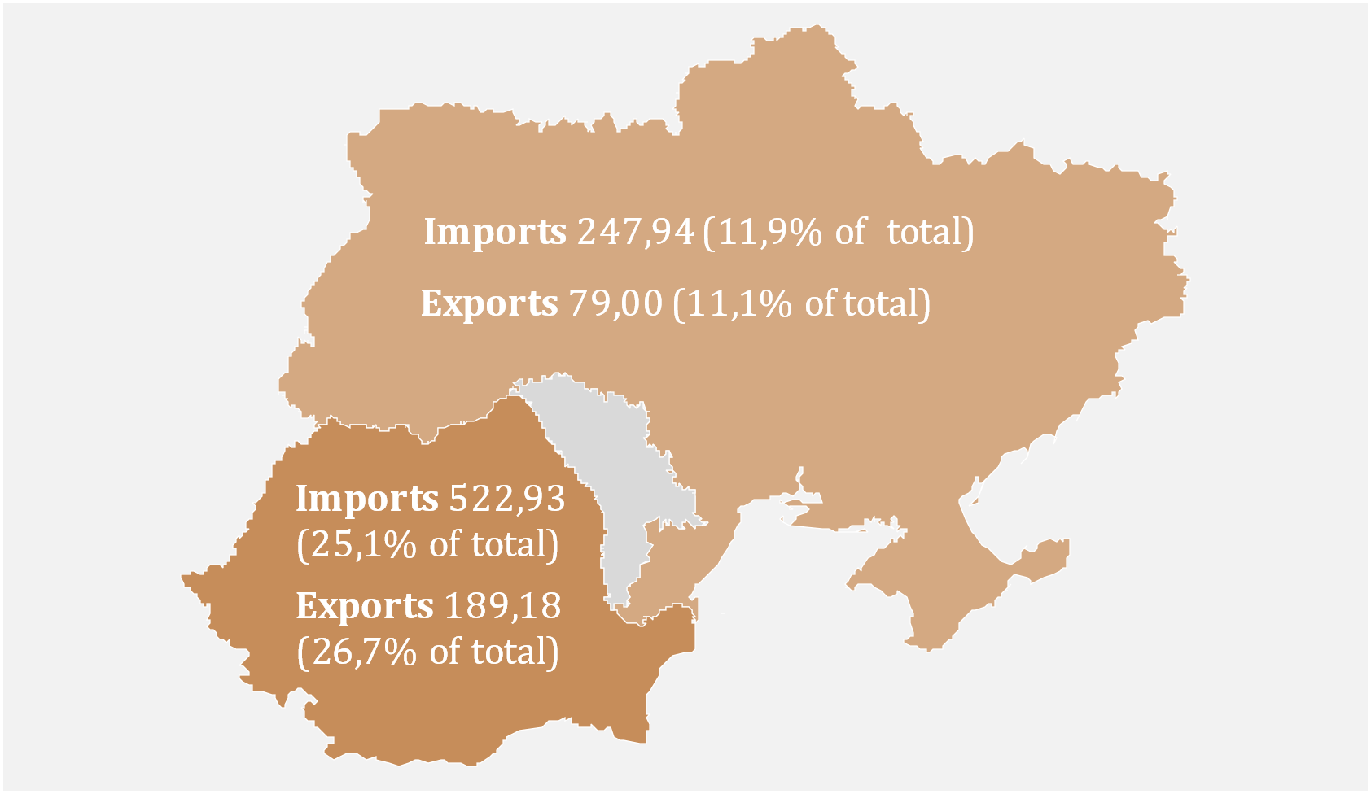
Chart 6. Main trading partners (US$ million)
 | Nr. | Partner country | Exports | Import
 | 1 | Romania | 189.18 | 522.93
 | 2 | Ukraine | 79.00 | 247.94
 | 3 | Turkey | 54.96 | 173.49
 | 4 | Germany | 38.64 | 155.95
 | 5 | China | 1.69 | 155.16
 | 6 | Poland | 32.57 | 122.64
 | 7 | Italy | 22.57 | 88.31
 | 8 | Czech Republic | 45.44 | 47.14
 | 9 | Russia | 39.00 | 38.90
 | 10 | Bulgaria | 17.53 | 57.16

D7
I. Balance of payments of the Republic of Moldova in Quarter II, 2024 (preliminary data)

The decrease in exports of goods was driven by a substantial reduction in exports to other countries and the EU, while imports from all arears increased, leading to a rise in total imports. Agri-food products was the main category of exported goods, while machinery, appliances, and equipment was the main category of imported goods.

Chart 7. Export and import of goods by categories and geographical areas
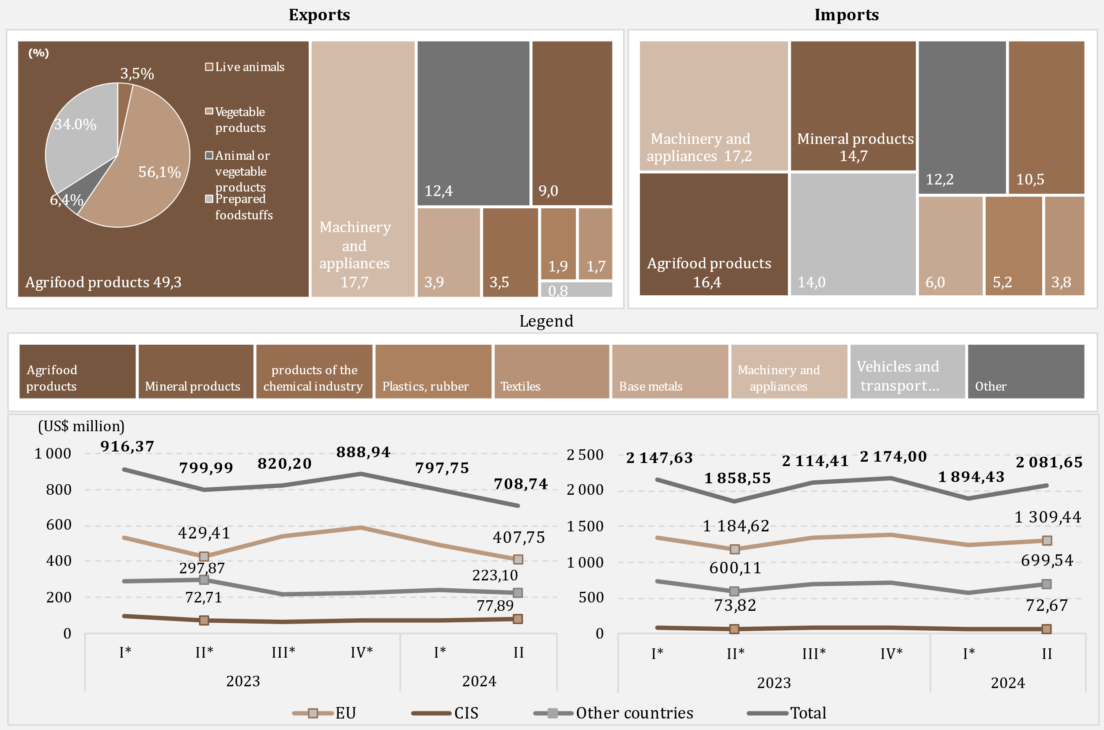

Source: NBM calculations based on NBS data
* revised data

D8
I. Balance of payments of the Republic of Moldova in Quarter II, 2024 (preliminary data)

In quarter II, 2024, compared to the same period in 2023, the decrease in energy products and electricity imports was mainly driven by the reduction in the value of imported diesel fuel.

Chart 8. Imports of energy products and electricity (CIF prices)

* revised data

 | 2023 |  |  |  | 2024
 | I* | II* | III* | IV* | I* | II
Diesel | 241.29 | 217.93 | 227.81 | 168.39 | 144.93 | 133.69
Natural gas | 188.86 | 6.75 | 167.12 | 95.45 | 9.63 | 28.22
Gasoline | 60.97 | 60.55 | 66.80 | 65.93 | 67.81 | 63.82
Electricity | 13.24 | 11.03 | 15.17 | 17.40 | 18.31 | 18.23
Coal | 5.02 | 2.13 | 4.46 | 4.93 | 3.06 | 2.47
Heating oil | 62.03 | 1.14 | 0.09 | 10.53 | 0.10 | 0.08
Other | 26.76 | 23.83 | 38.55 | 32.66 | 23.82 | 29.71
Total | 598.17 | 323.36 | 520.00 | 395.29 | 267.66 | 276.22

D9
I. Balance of payments of the Republic of Moldova in Quarter II, 2024 (preliminary data)

The increase in the services balance surplus was driven by the bigger growth in exports than in imports of services.

Chart 9. Balance of services

* revised data
 | 2023 |  |  |  | 2024
 | I* | II* | III* | IV* | I* | II
Balance | 270.48 | 191.20 | 182.32 | 250.90 | 208.58 | 246.20
Exports | 591.43 | 577.95 | 640.99 | 630.16 | 566.70 | 691.34
Imports | 320.95 | 386.75 | 458.67 | 379.26 | 358.12 | 445.14
Balance / GDP (right axis) | 7.9 | 4.8 | 4.0 | 5.4 | 5.5 | 5.8

D10
I. Balance of payments of the Republic of Moldova in Quarter II, 2024 (preliminary data)

In quarter II, 2024, the main categories of exported services were travel, IT services, and transport, while for imports, the main categories were travel and transport.

Chart 10. Exports and imports of services, by main types, in quarter II 2024, US$ million
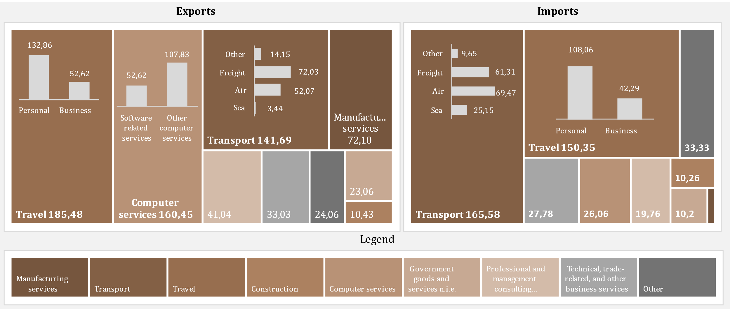

D11
I. Balance of payments of the Republic of Moldova in Quarter II, 2024 (preliminary data)

In quarter II, 2024, the surplus of the primary income balance decreased significantly.

Chart 11. Primary income, in dynamics

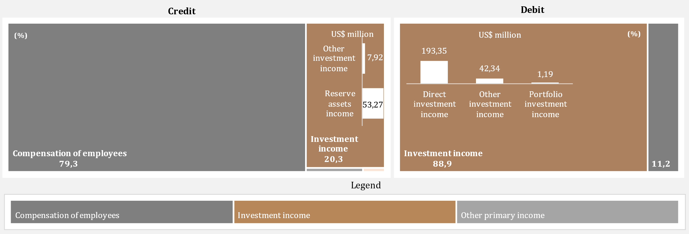

* revised data

 | 2023 |  |  |  | 2024
 | I* | II* | III* | IV* | I* | II
Balance / GDP (right axis) | 2.0% | 1.7% | 0.9% | 1.9% | 2.1% | 0.8%
Compensation of employees, net | 183.99 | 194.00 | 199.36 | 195.69 | 170.26 | 209.57
Investment income, net | -115.46 | -123.83 | -161.49 | -108.87 | -92.21 | -175.69
Other primary income, net | -0.41 | -1.72 | 3.72 | 1.77 | 2.11 | 1.66
Balance | 68.12 | 68.45 | 41.59 | 88.59 | 80.16 | 35.54

D12
I. Balance of payments of the Republic of Moldova in Quarter II, 2024 (preliminary data)

In quarter II, 2024, the decrease in the surplus of secondary income was the result of a decline in net personal transfers.

Chart 12. Secondary income, in dynamics
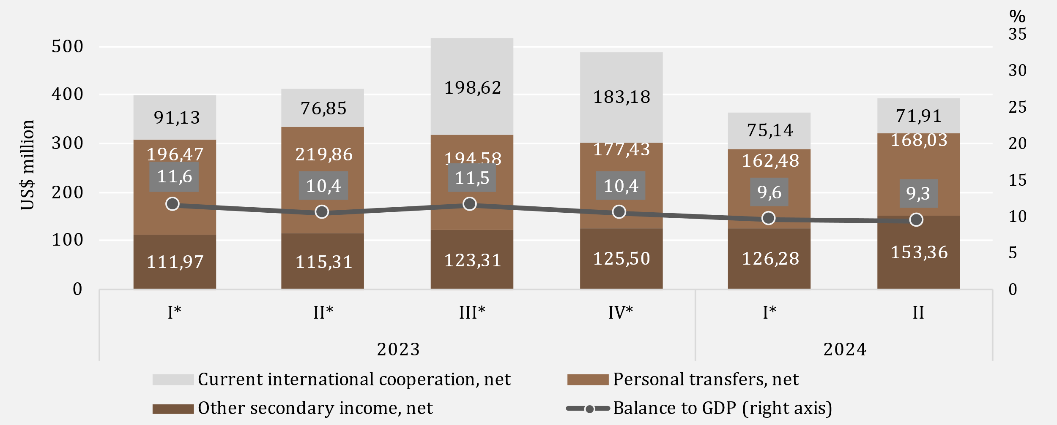

* revised data
** Current transfers between resident and non-resident households

D13
I. Balance of payments of the Republic of Moldova in Quarter II, 2024 (preliminary data)

The decrease in personal remittances inflows was caused by a decline in personal transfer inflows, while outflows increased due the growth in all components. Both inflows and outflows of personal remittances were mainly from/to the EU.

Chart 13. Personal remittances by components

 | Personal transfers | Compensation of employees | Capital transfers between households | Personal transfers | Compensation of employees | Capital transfers between households | Credit, total | Debit, total | #REF!
 | 271.4 | 180.25 | 13.73 | -74.93 | -24.17 | -6.24 | 465.38 | -105.34 | 1
 | 298.69 | 189.9 | 19.74 | -78.83 | -24.92 | -6.64 | 508.33 | -110.39
 | 283.67 | 195.56 | 14.09 | -89.09 | -26.07 | -8.97 | 493.32 | -124.13
 | 268.85 | 194.75 | 15.66 | -91.42 | -28.9 | -8.98 | 479.26 | -129.3
 | 250.11 | 169.93 | 12.94 | -87.63 | -25.62 | -7.74 | 432.98 | -120.99
 | 259.17 | 204.75 | 15.72 | -91.14 | -26.95 | -8.44 | 479.64 | -126.53

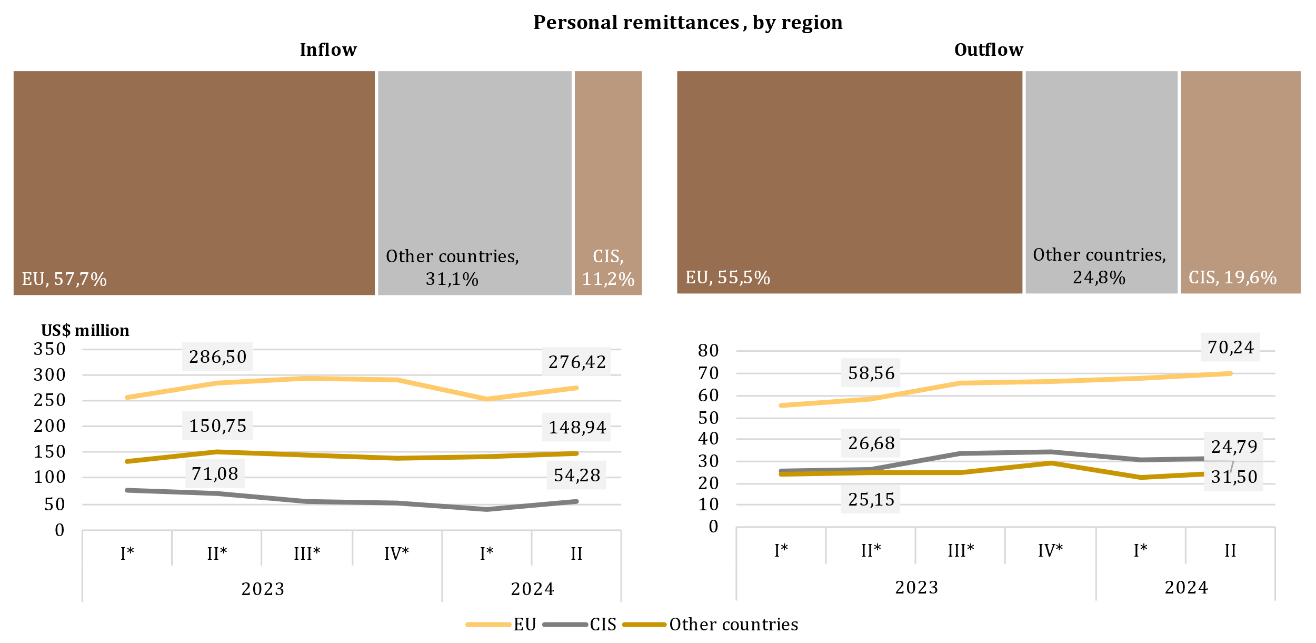

* revised data

 | 2023 |  |  |  | 2024
 | I* | II* | III* | IV* | I* | II
Personal transfers | 271.4 | 298.69 | 283.67 | 268.85 | 250.11 | 259.17
Compensation of employees | 180.25 | 189.9 | 195.56 | 194.75 | 169.93 | 204.75
Capital transfers between households | 13.73 | 19.74 | 14.09 | 15.66 | 12.94 | 15.72
Personal transfers | -74.93 | -78.83 | -89.09 | -91.42 | -87.63 | -91.14
Compensation of employees | -24.17 | -24.92 | -26.07 | -28.9 | -25.62 | -26.95
Capital transfers between households | -6.24 | -6.64 | -8.97 | -8.98 | -7.74 | -8.44
Credit, total | 465.38 | 508.33 | 493.32 | 479.26 | 432.98 | 479.64
Debit, total | -105.34 | -110.39 | -124.13 | -129.3 | -120.99 | -126.53

D14
I. Balance of payments of the Republic of Moldova in Quarter II, 2024 (preliminary data)

In quarter II, 2024, the decrease of the capital account surplus was caused by the increase of capital outflows of the private sector, as well as a reduction of the technical assistance inflows of the public administration.

Chart 14. The evolution of the capital account
Balance of capital account evolution
capital transfers, by sector
 | inflows | outflows
2023-I* | 6.68
2023-II* | 11.99
2023-III* | 19.85
2023-IV* | 10.94
2024 -I* | 8.23
2024-II | 8.75
2023-I* | 13.73 | 6.24
2023-II* | 19.74 | 6.64
2023-III* | 14.09 | 8.97
2023-IV* | 15.66 | 8.98
2024-I* | 12.94 | 7.75
2024-II | 15.72 | 8.49

* revised data

 | 2023 |  |  |  | 2024 |  |  |  | inflows | outflows
 | I* | II* | III* | IV* | I* | II | General government | 2023-I* | 6.68
Balance of capital account | 14.17 | 25.09 | 24.97 | 17.62 | 13.42 | 15.69 |  | 2023-II* | 11.99
% GDP (right axis) | 0.4 | 0.6 | 0.6 | 0.4 | 0.4 | 0.4 |  | 2023-III* | 19.85
 |  |  |  |  |  |  |  | 2023-IV* | 10.94
 |  |  |  |  |  |  |  | 2024 -I* | 8.23
 |  |  |  |  |  |  |  | 2024-II | 8.75
 |  |  |  |  |  |  | Financial and nonfinancial corporations, Hs and NPISHs | 2023-I* | 13.73 | 6.24
 |  |  |  |  |  |  |  | 2023-II* | 19.74 | 6.64
 |  |  |  |  |  |  |  | 2023-III* | 14.09 | 8.97
 |  |  |  |  |  |  |  | 2023-IV* | 15.66 | 8.98
 |  |  |  |  |  |  |  | 2024-I* | 12.94 | 7.75
 |  |  |  |  |  |  |  | 2024-II | 15.72 | 8.49

D15
I. Balance of payments of the Republic of Moldova in Quarter II, 2024 (preliminary data)

Net inflows of financial assets have been determined by transactions involving the reduction of assets in the form of currency and deposits, as well as reserve assets. Net outflows of liabilities resulted from transactions with liabilities in the form of trade credits and advances, and loans.

Chart 15. Financial account, assets and liabilities by functional categories in Quarter II 2024 (US$ million)
 | Direct investment | Currency and deposits | Loans | Trade credit and advances | Reserve assets | Other financial flows
Net acquisition of financial assets | -7.87 | -595.48 | 9.61 | 51.72 | -90.02 | 0.31
Net incurrence of liabilities | 61.67 | 0.77 | -70.02 | -93.25 |  | -0.66

 | Net acquisition of financial assets | Net incurrence of liabilities
Total | -631.73 | -97.60
Direct investment | -7.87 | 61.67
Other financial flows | 0.31 | -0.66
Currency and deposits | -595.48 | 0.77
Loans | 9.61 | -70.02
Trade credit and advances | 51.72 | -93.25
Reserve assets | -90.02

D16
I. Balance of payments of the Republic of Moldova in Quarter II, 2024 (preliminary data)

Net outflows of loans were primarily determined by net repayments of loans by public administration.

Chart 16. External loans (liabilities), drawings and repayments, in Quarter II, 2024 (US$ million)
by institutional sector
 | drawings | repayments
General government | 41.94 | 95.79
Deposit-taking corporations, except CB | 5.38 | 26.30
Nonfinancial corporations, Hs and NPISHs | 25.72 | 28.06
Other financial corporations | 44.52 | 33.54
Central bank |  | 3.89
by maturity

long-term

short - term

 | drawings | repayments |  | drawings | repayments
General government | 41.94 | 95.79 | short-term | 0.88 | 0.94
Deposit-taking corporations, except CB | 5.38 | 26.30 | long-term | 116.68 | 186.64
Nonfinancial corporations, Hs and NPISHs | 25.72 | 28.06
Other financial corporations | 44.52 | 33.54
Central bank |  | 3.89
Loans | 117.56 | 187.58

D17
I. Balance of payments of the Republic of Moldova in Quarter II, 2024 (preliminary data)

In quarter II, 2024, the main creditors of general government were the European Investment Bank and International Development Association.

Chart 17. The main creditors of general government in Quarter II, 2024

EIB | 37.8%
IDA | 33.0%
ERBD | 17.0%
BGK | 7.7%
IBRD | 3.5%
IFAD | 1.0%
JICA | 0.0%

D18
II. International investment position at 06/30/2024 (preliminary data)

As of 06/30/2024, the net international investment position relative to GDP ratio improved compared to 12/31/2023.

Chart 18. Net international investment position, by institutional sector, % to GDP

* revised data

 | 2023 |  |  |  | 2024
 | I* | II* | III* | IV* | I* | II
Central bank | 31.0 | 31.5 | 30.5 | 32.6 | 31.5 | 30.5
General government | -22.8 | -22.7 | -20.7 | -22.7 | -21.6 | -20.8
Deposit-taking corporations | -0.3 | 0.3 | 1.0 | 1.6 | 2.1 | 2.4
Other sectors | -51.7 | -50.6 | -50.3 | -47.5 | -46.6 | -44.9
Net IIP | -43.8 | -41.5 | -39.5 | -36.0 | -34.6 | -32.8

D19
II. International investment position at 06/30/2024 (preliminary data)

Reserve assets had the biggest share in the position of financial assets, while other investments and direct investments had significant shares in financial liabilities position.

 | Direct investment | Portfolio investment and financial derivatives | Other investment | Reserve assets | #REF! | Other investment | Direct investment | Portfolio investment and financial derivatives
I* | 5.9 | 0.2 | 24.7 | 69.2 | 1 | -60.1 | -39.7 | -0.2
II* | 5.7 | 0.2 | 24.1 | 70.0 |  | -60.3 | -39.5 | -0.2
III* | 5.8 | 0.2 | 23.0 | 71.0 |  | -58.8 | -41.0 | -0.2
IV* | 5.3 | 0.3 | 24.2 | 70.2 |  | -60.0 | -39.8 | -0.2
I* | 5.4 | 0.3 | 24.0 | 70.3 |  | -60.1 | -39.7 | -0.2
II | 5.4 | 0.3 | 24.8 | 69.5 |  | -59.7 | -40.1 | -0.2
Chart 19. External financial assets and liabilities structure, by functional categories, at period-end (%)

* revised data

Assets |  | 2023 |  |  |  | 2024
 |  | I* | II* | III* | IV* | I* | II
 | Direct investment | 5.9 | 5.7 | 5.8 | 5.3 | 5.4 | 5.4
 | Portfolio investment and financial derivatives | 0.2 | 0.2 | 0.2 | 0.3 | 0.3 | 0.3
 | Other investment | 24.7 | 24.1 | 23.0 | 24.2 | 24.0 | 24.8
 | Reserve assets | 69.2 | 70.0 | 71.0 | 70.2 | 70.3 | 69.5
Liabilities | Other investment | -60.1 | -60.3 | -58.8 | -60.0 | -60.1 | -59.7
 | Direct investment | -39.7 | -39.5 | -41.0 | -39.8 | -39.7 | -40.1
 | Portfolio investment and financial derivatives | -0.2 | -0.2 | -0.2 | -0.2 | -0.2 | -0.2

D20
II. International investment position at 06/30/2024 (preliminary data)

As of 06/30/2024, the position of official reserve assets decreased compared to 12/31/2023, but still meets all sufficiency criteria.

Chart 20. Indices of official reserve assets sufficiency, at the end of period

Note: Criteria are based on the IMF recommendations specified in “Assessing Reserve Adequacy - Specific Proposals", April 2015:
http://www.imf.org/external/np/pp/eng/2014/121914.pdf
* revised data

 | 2023 |  |  |  | 2024
 | I* | II* | III* | IV* | I * | II
Reserve assets | 4,679.35 | 4,902.67 | 4,881.93 | 5,453.15 | 5,393.23 | 5,288.61
3 months of actual imports of goods and services | 2,641.36 | 2,576.67 | 2,555.62 | 2,460.06 | 2,406.05 | 2,476.42
100% of short-term external debt (residual maturity) | 3,973.18 | 4,161.77 | 3,809.98 | 3,855.16 | 3,848.66 | 3,560.40
20% of M2 | 1,047.60 | 1,119.68 | 1,123.00 | 1,264.33 | 1,281.02 | 1,310.63
100% of (30%STD (residual maturity) + 15%OL + 5%M2 + 5%eX) | 2,545.76 | 2,615.09 | 2,487.69 | 2,610.12 | 2,587.40 | 2,491.13
100-150% of (30%STD (residual maturity) + 15%OL + 5%M2 + 5%eX) | 3,818.64 | 3,922.64 | 3,731.53 | 3,915.18 | 3,881.10 | 3,736.70

D21
II. International investment position at 06/30/2024 (preliminary data)

 | 1 | 1 | 1
Direct investment positions in the form of equity and shares from all regions decreased compared to 12/31/2023.

Chart 21. Position of direct investment** – equity, by geographic region, at the end of period (US$ million)

* revised data
** positions calculated according to the own funds at book value method, by immediate investor’s country

 | 2023 |  |  |  | 2024
 | I* | II* | III* | IV* | I * | II
EU | 2882.34 | 2880.39 | 3030.68 | 3014.09 | 3009.08 | 2999.27
Other countries | 511.64 | 547.44 | 543.82 | 584.31 | 537.75 | 521.12
CIS | -32.47 | -33.55 | -35.86 | -9.89 | -24.11 | -33.21

D22
II. International investment position at 06/30/2024 (preliminary data)

Financial activities and insurance, wholesale and retail trade, and manufacturing had the largest shares in the direct investment (equity) liabilities position.

Chart 22. Direct investment in domestic economy, equity as of 06/30/2024, by industry (according to NACE-2)

Note: Estimated data

Other | 3.6
Financial and insurance activities | 34.6
Wholesale and retail trade; repair of motor vehicles | 25.6
Manufacturing industry | 19.7
Information and communications | 5.9
Real estate transactions | 2.7
Transportation and storage | 2.6
Electric and thermal energy, gas, hot water and air conditioning | 2.4
Agriculture, forestry and fishing | 1.6
Administrative services activities | 1.3

D23
II. International investment position at 06/30/2024 (preliminary data)

The major share, of both financial assets and liabilities, accounted for long-term ones.

Chart 23. Structure of external financial assets and liabilities by maturity, at period-end (%)

* revised data

 |  | 2023 |  |  |  | 2024
 |  | I* | II* | III* | IV* | I * | II
Assets | short-term | 46.9 | 44.0 | 39.7 | 43.1 | 37.9 | 36.0
 | long-term | 53.1 | 56.0 | 60.3 | 56.9 | 62.1 | 64.0
Liabilities | short-term | -21.0 | -21.0 | -20.4 | -19.6 | -19.7 | -19.4
 | long-term | -79.0 | -79.0 | -79.6 | -80.4 | -80.3 | -80.6

D24
III. External debt of the Republic of Moldova as of 06/30/2024 (preliminary data)

As of 06/30/2024, the main financing instrument used by the public authorities of the Republic of Moldova remained loans, accounting for 89,7 percent of the total public external debt .

Chart 24. Public external debt at period-end (US$ million)

 | 2023 |  |  |  | 2024
 | I* | II* | III* | IV* | I* | II |  | 2024-II
Public external debt | 3,476.97 | 3,574.01 | 3,347.52 | 3,820.52 | 3,727.83 | 3,636.43 | Loans | 3,262.47
Short-term | 0.78 | 1.01 | 1.15 | 1.30 | 1.50 | 1.75 | SDR allocations | 372.21
Long-term | 3,476.19 | 3,573.00 | 3,346.37 | 3,819.22 | 3,726.33 | 3,634.68 | Other | 1.75
* revised data

D25
III. External debt of the Republic of Moldova as of 06/30/2024 (preliminary data)

The International Monetary Fund and the World Bank Group were the main external creditors of the public sector.

Chart 25. Structure of external public debt by creditors at period-end (%)

 | 2023 |  |  |  | 2024
 | I | II | III | IV | I | II
IMF | 30.1 | 31.4 | 32.4 | 30.8 | 30.6 | 30.4
WB Group | 27.0 | 26.1 | 30.6 | 28.0 | 28.2 | 28.8
EIB | 12.7 | 12.4 | 12.8 | 11.8 | 12.1 | 12.6
European Commission | 5.5 | 6.6 | 6.8 | 7.7 | 7.7 | 7.8
EBRD | 14.8 | 13.6 | 7.2 | 8.9 | 8.7 | 7.7
IFAD | 2.1 | 2.0 | 2.2 | 2.0 | 2.0 | 2.1
Other creditors | 7.8 | 7.9 | 8.0 | 10.8 | 10.7 | 10.7
* revised data

D26
III. External debt of the Republic of Moldova as of 06/30/2024 (preliminary data)

During the first half of 2024, private external debt showed a downward trend, due to the decrease in both long-term and short-term debt .

Chart 26. Private external debt at period-end (according to original maturities), (US$ million)

 | 2023 |  |  |  | 2024 |  |  | 2024-II
 | I* | II* | III* | IV* | I* | II
Private external debt | 6,401.04 | 6,395.51 | 6,214.88 | 6,298.32 | 6,256.82 | 6,104.58 | Trade credit and advances | 33.5%
Short-term | 2,781.13 | 2,808.50 | 2,680.05 | 2,683.31 | 2,665.29 | 2,564.00 | Loans | 32.8%
Long-term | 3,619.91 | 3,587.01 | 3,534.83 | 3,615.01 | 3,591.53 | 3,540.58 | Debt liabilities of direct investment enterprises to direct investors | 29.9%
 |  |  |  |  |  |  | Currency and deposits | 3.0%
 |  |  |  |  |  |  | Other debt liabilities | 0.8%

D27
III. External debt of the Republic of Moldova as of 06/30/2024 (preliminary data)

Non-financial corporations mantained the main share in private external debt.

Chart 27. Structure of external private debt by institutional sectors at period-end (%)

 | 2023-I* | 2023-II* | 2023-III* | 2023-IV* | 2024-I* | 2024-II
Nonfinancial corporations | 3,618.75 | 3,665.08 | 3,537.25 | 3,535.72 | 3,549.60 | 3,438.73
Direct investment: intercompany lending | 1,898.87 | 1,889.05 | 1,846.09 | 1,880.45 | 1,852.70 | 1,822.91
Deposit-taking corporations | 504.08 | 445.41 | 438.34 | 494.40 | 463.72 | 440.22
Other financial corporations | 312.09 | 328.13 | 324.40 | 316.53 | 318.17 | 329.32
Households and NPISHs | 67.25 | 67.84 | 68.80 | 71.22 | 72.63 | 73.40

D28
III. External debt of the Republic of Moldova as of 06/30/2024 (preliminary data)

The main creditors of the private sector were other creditors.

Chart 28. Creditor structure of private debt as of 06/30/2024
 | 2024-II
Other creditors | 2,586.30
Deposit-taking corporations, except CB | 143.82
EIB | 80.07
ERBD | 155.51
IFC | 27.08
CEB | 5.89
BSTDB | 5.68

 | 2024-II
Other creditors | 2,586.30
Deposit-taking corporations, except CB | 143.82
Multilateral creditors | 274.23
EIB | 80.07
ERBD | 155.51
IFC | 27.08
CEB | 5.89
BSTDB | 5.68

