D1
I. Balance of payments of the Republic of Moldova in Quarter IV, 2024 (preliminary data)

GDP of the Republic of Moldova and Romania decreased in quarter IV 2024, while its main trading partners, continued the economic recovery.

Chart 1. GDP, physical volume indices (% as against the same quarter of the previous year)
 | RUS | #REF! | ROU | EU | #REF! | MDA
I | 98.2 | 1 | 102.7 | 100.1 | 1 | 99.9
II | 104.9 |  | 101.2 | 100.1 |  | 100.1
III | 105.5 |  | 102.3 | 100.0 |  | 103.9
IV | 105.1 |  | 103.3 | 100.0 |  | 100.5
I* | 105.4 |  | 100.5 | 100.0 |  | 102.0
II* | 104.1 |  | 100.9 | 100.3 |  | 102.5
III* | 103.1 |  | 101.2 | 100.4 |  | 98.1
IV | 103.8 |  | 100.7 | 100.4 |  | 98.7

Sources: National statistical authorities, OECD.Stat
* revised data

 | 2023 |  |  |  | 2024
 | I | II | III | IV | I* | II* | III* | IV
RUS | 98.2 | 104.9 | 105.5 | 105.1 | 105.4 | 104.1 | 103.1 | 103.8
ROU | 102.7 | 101.2 | 102.3 | 103.3 | 100.5 | 100.9 | 101.2 | 100.7
EU | 100.1 | 100.1 | 100.0 | 100.0 | 100.0 | 100.3 | 100.4 | 100.4
MDA | 99.9 | 100.1 | 103.9 | 100.5 | 102.0 | 102.5 | 98.1 | 98.7

D2
I. Balance of payments of the Republic of Moldova in Quarter IV, 2024 (preliminary data)

In quarter IV 2024, trade openess of the economy increased, while financial openness of the economy decreased compared to the end of 2023.

Chart 2. Economic openness indicators, %

* revised data

 | 2023 |  |  |  | 2024
 | I | II | III | IV | I* | II* | III* | IV
Trade openness | 115.7 | 91.3 | 89.5 | 87.4 | 93.8 | 92.1 | 81.4 | 89.3
Exports of goods and services / GDP | 43.9 | 34.7 | 32.4 | 32.6 | 35.5 | 32.7 | 27.6 | 31.1
Imports of goods and services / GDP | 71.8 | 56.6 | 57.1 | 54.8 | 58.3 | 59.4 | 53.8 | 58.2

 | 31.03.2023 | 30.06.2023 | 30.09.2023 | 31.12.2023 | 31.03.2024* | 30.06.2024* | 30.09.2024* | 31.12.2024
Financial openness | 134.7 | 132.6 | 126.6 | 129.7 | 125.0 | 121.5 | 124.1 | 121.1
Foreign fin. assets / GDP | 45.5 | 45.6 | 43.5 | 46.9 | 45.3 | 44.6 | 46.2 | 45.2
Foreign liabilities / GDP | 89.2 | 87.1 | 83.1 | 82.8 | 79.8 | 76.8 | 77.8 | 75.9

D3
I. Balance of payments of the Republic of Moldova in Quarter IV, 2024 (preliminary data)

The current account deficit growth, in quarter IV 2024, was caused by the negative evolution of all its subaccounts.

Chart 3. Current account – main components (US$ million)

* revised data

 | 2023 |  |  |  | 2024
 | I | II | III | IV | I* | II* | III* | IV
Current account | -493.09 | -386.89 | -553.79 | -459.46 | -447.72 | -711.04 | -873.97 | -884.27
Export / inputs | 2,252.58 | 2,168.03 | 2,383.46 | 2,411.68 | 2,091.51 | 2,208.39 | 2,351.70 | 2,332.08
Goods | 916.37 | 799.99 | 820.20 | 888.94 | 797.12 | 707.94 | 701.21 | 807.25
Services | 591.43 | 577.95 | 640.99 | 630.16 | 568.54 | 683.86 | 740.20 | 711.13
Primary income | 247.14 | 274.43 | 284.53 | 287.95 | 256.18 | 308.19 | 294.71 | 275.88
Secondary income | 497.64 | 515.66 | 637.74 | 604.63 | 469.67 | 508.40 | 615.58 | 537.82
Import/outputs | -2,745.67 | -2,554.92 | -2,937.25 | -2,871.14 | -2,539.23 | -2,919.43 | -3,225.67 | -3,216.35
Goods | -2,147.63 | -1,858.55 | -2,114.41 | -2,174.00 | -1,881.91 | -2,081.44 | -2,296.26 | -2,373.83
Services | -320.95 | -386.75 | -458.67 | -379.26 | -358.19 | -444.08 | -508.56 | -474.10
Primary income | -179.02 | -205.98 | -242.94 | -199.36 | -180.69 | -265.82 | -291.60 | -238.92
Secondary income | -98.07 | -103.64 | -121.23 | -118.52 | -118.44 | -128.09 | -129.25 | -129.50

D4
I. Balance of payments of the Republic of Moldova in Quarter IV, 2024 (preliminary data)

In quarter IV, 2024, the trade deficits with all geographical areas increased compared with the same period of the previous year.

Chart 4. Trade in goods balance, by region (FOB-FOB), (USD million)

Source: NBM calculations based on NBS data
* revised data

 | 2023 |  |  |  | 2024
 | I | II | III | IV | I* | II* | III* | IV
Total | -1,231.26 | -1,058.56 | -1,294.21 | -1,285.06 | -1,084.79 | -1,373.50 | -1,595.05 | -1,566.58
EU | -804.90 | -755.20 | -803.37 | -789.11 | -743.38 | -904.61 | -969.27 | -991.73
CIS | 6.65 | -1.10 | -17.90 | -13.70 | -7.48 | 6.11 | -33.20 | -33.20
Other countries | -433.01 | -302.26 | -472.94 | -482.25 | -333.93 | -475.00 | -592.58 | -541.65

D6
I. Balance of payments of the Republic of Moldova in Quarter IV, 2024 (preliminary data)

Exports of goods decreased as a result of decline in deliveries to the EU and CIS, while imports increased due to EU and other countries. Agri-food products continued to be the main category of exported goods and mineral products - the main category of imported goods.

Chart 6. Export and import of goods by categories and geographical areas
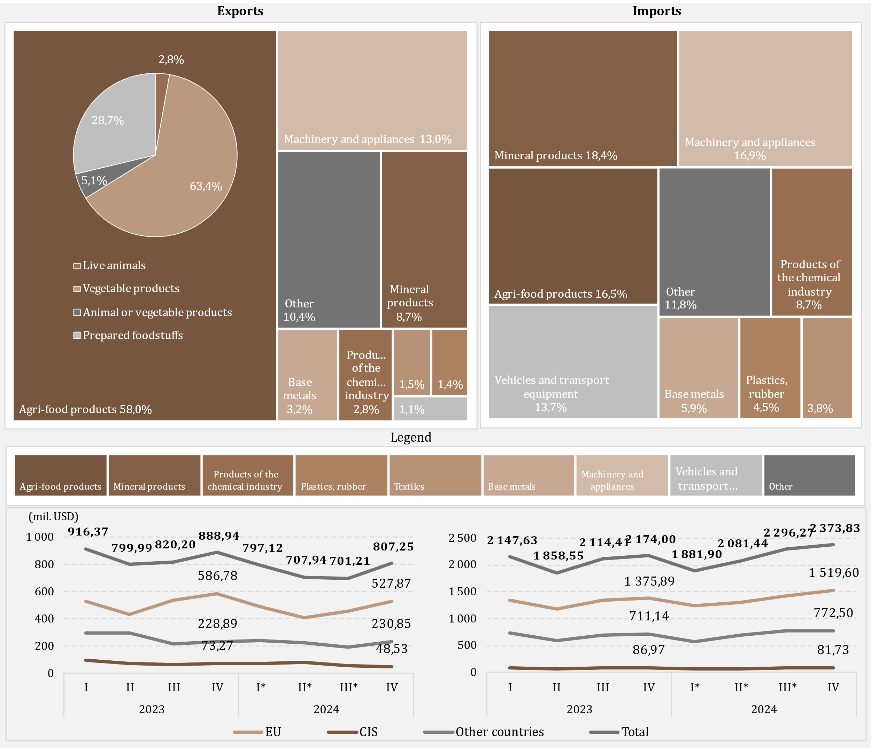

Source: NBM calculations based on NBS data
* revised data

D7
I. Balance of payments of the Republic of Moldova in Quarter IV, 2024 (preliminary data)

The increase in imports of energy products and electricity in the fourth quarter of 2024, compared with the same period of the previous year, was driven by growth in imported electricity and natural gas.

Chart 7. Imports of energy products and electricity (FOB prices), (USD million)

* revised data

 | 2023 |  |  |  | 2024
 | I | II | III | IV | I* | II* | III* | IV
Diesel | 241.29 | 217.93 | 227.81 | 168.39 | 144.93 | 133.69 | 157.64 | 133.75
Natural gas | 188.86 | 6.75 | 167.12 | 95.45 | -2.84 | 28.10 | 85.70 | 111.62
Gasoline | 60.97 | 60.55 | 66.80 | 65.93 | 67.81 | 63.82 | 77.13 | 70.69
Electricity | 13.24 | 11.03 | 15.17 | 17.40 | 18.31 | 18.23 | 37.29 | 53.82
Coal | 5.02 | 2.13 | 4.46 | 4.93 | 3.06 | 2.47 | 2.16 | 4.53
Heating oil | 62.03 | 1.14 | 0.09 | 10.53 | 0.10 | 0.08 | 0.11 | 0.02
Other | 26.76 | 23.83 | 38.55 | 32.66 | 23.82 | 29.71 | 34.88 | 29.68
Total | 598.17 | 323.36 | 520.00 | 395.29 | 255.19 | 276.10 | 394.91 | 404.11

D8
I. Balance of payments of the Republic of Moldova in Quarter IV, 2024 (preliminary data)

The decline in the services surplus was mainly driven by the transportation services.

Chart 8. Balance of services

* revised data
 | 2023 |  |  |  | 2024
 | I | II | III | IV | I* | II* | III* | IV
Balance | 270.48 | 191.20 | 182.32 | 250.90 | 210.35 | 239.78 | 231.64 | 237.03
Exports | 591.43 | 577.95 | 640.99 | 630.16 | 568.54 | 683.86 | 740.20 | 711.13
Imports | 320.95 | 386.75 | 458.67 | 379.26 | 358.19 | 444.08 | 508.56 | 474.10
Balance / GDP (right axis) | 7.9 | 4.8 | 4.0 | 5.4 | 5.5 | 5.6 | 4.4 | 4.8

D9
I. Balance of payments of the Republic of Moldova in Quarter IV, 2024 (preliminary data)

In the fourth quarter of 2024, the main categories of exported services were travel, transportation and computer services, while for imports - transportation and travel.

Chart 9. Exports and imports of services, by main types, in quarter IV 2024, US$ million
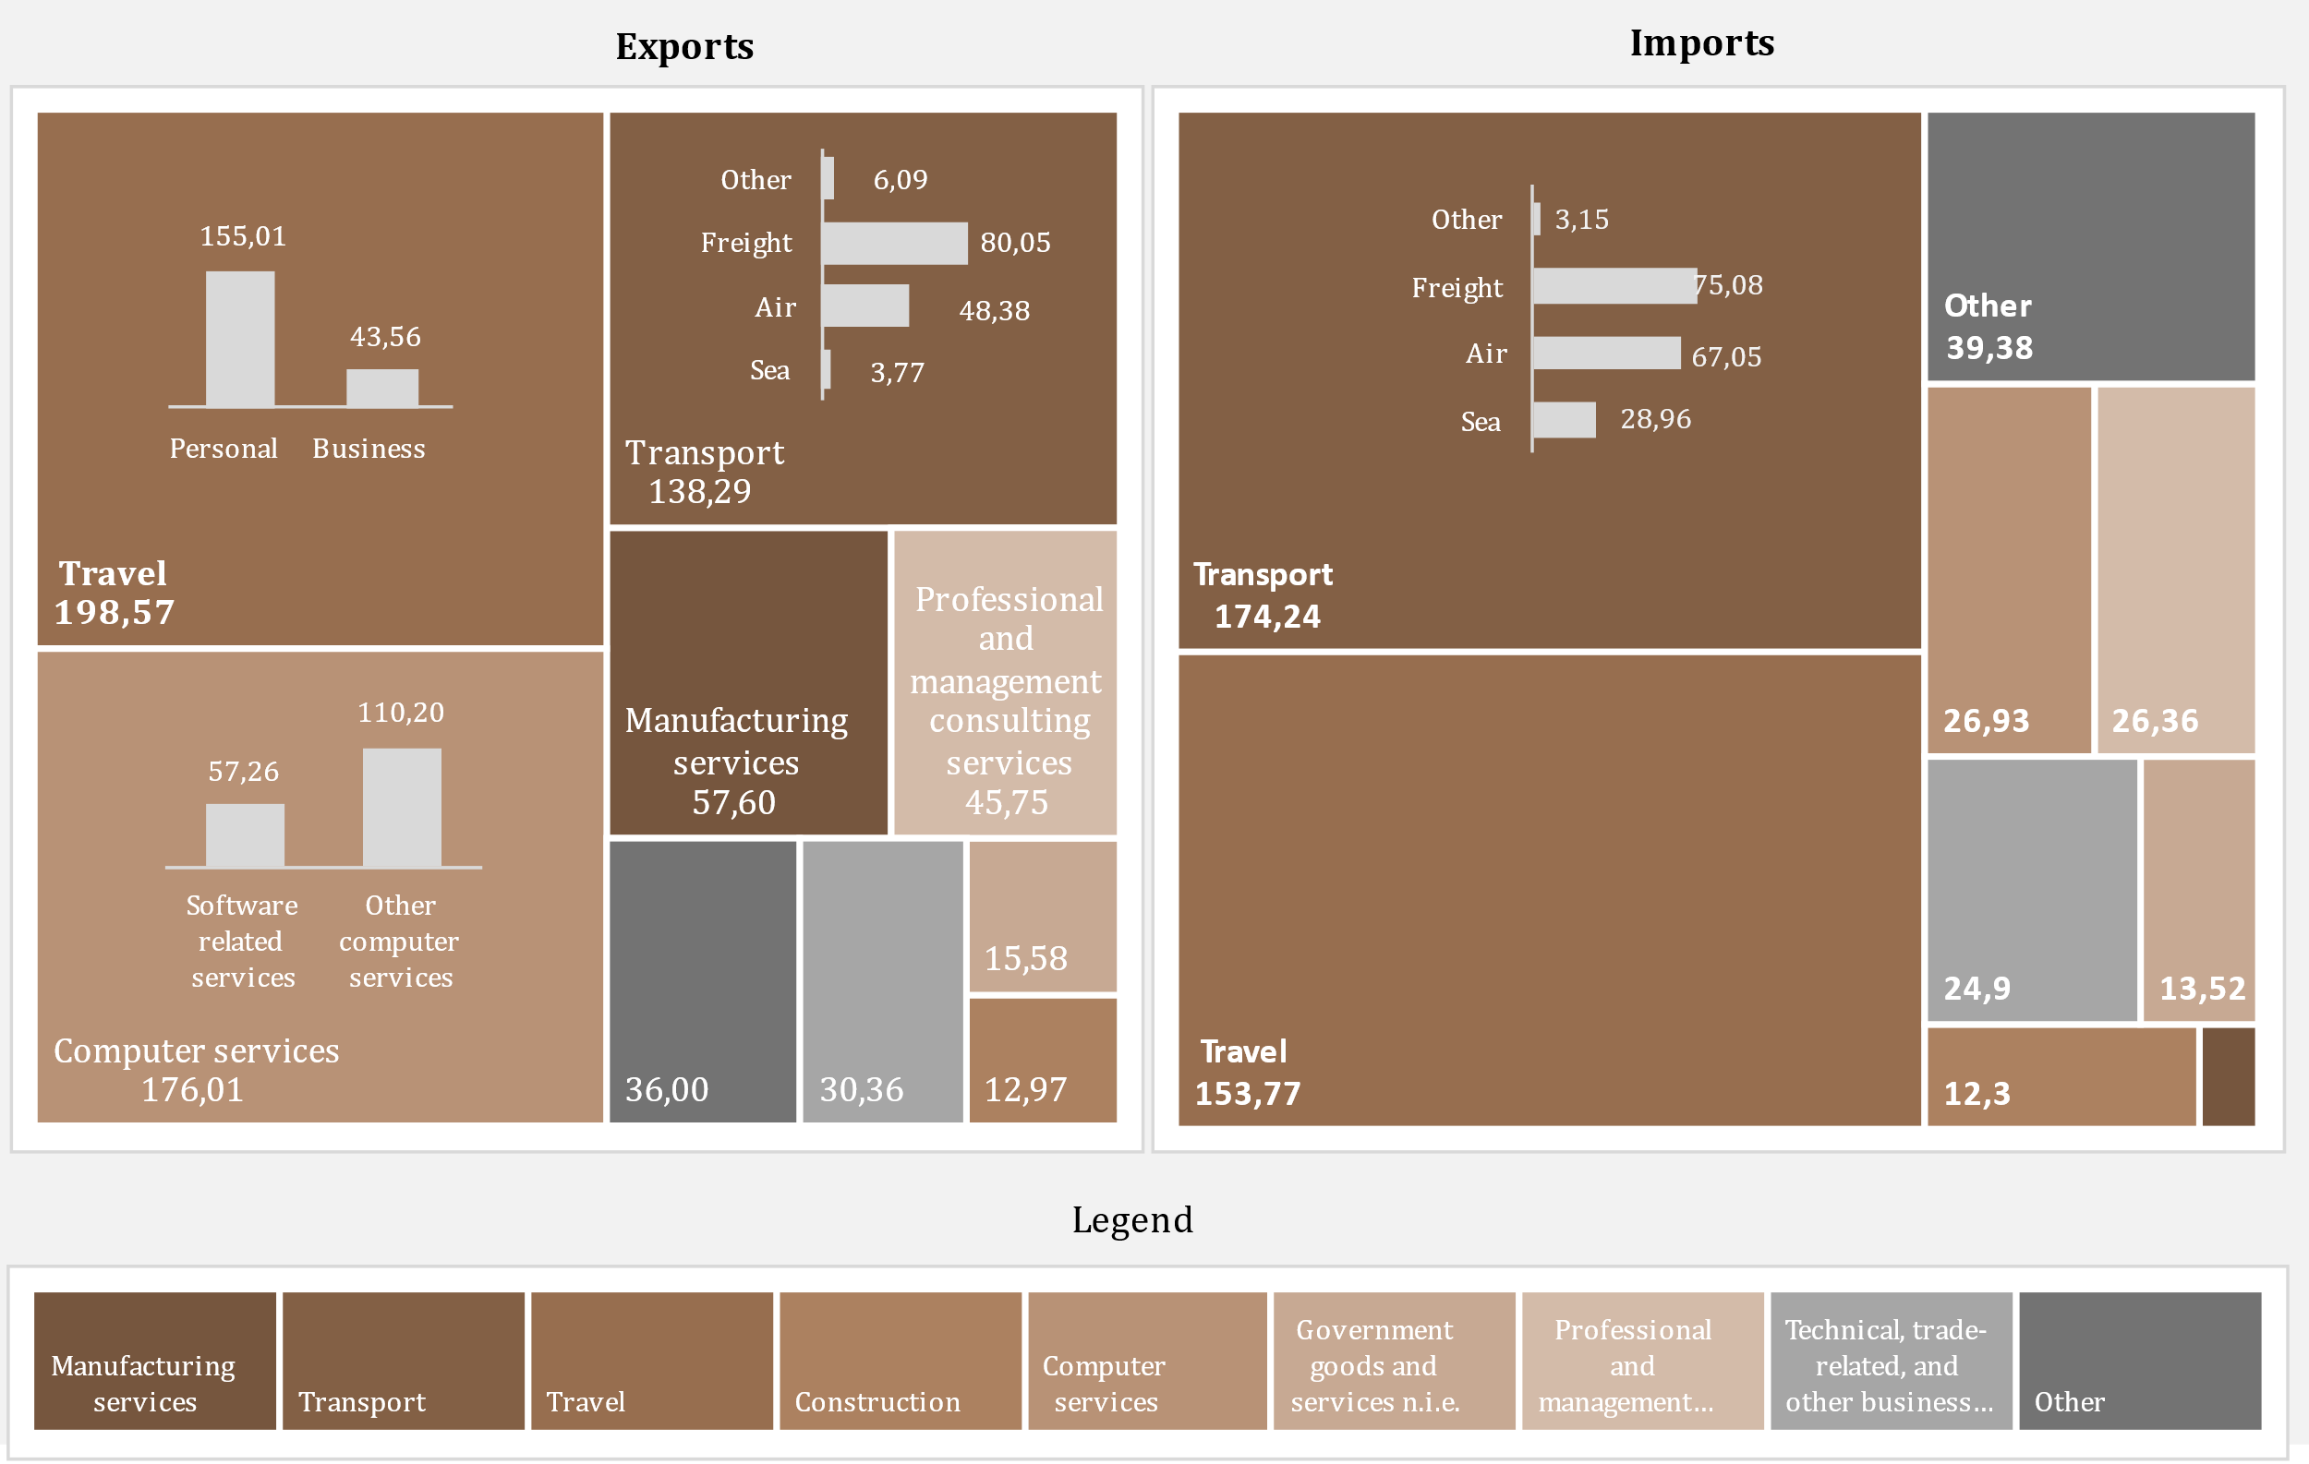

D10
I. Balance of payments of the Republic of Moldova in Quarter IV, 2024 (preliminary data)

In the fourth quarter of 2024, the surplus of the primary income balance fell by 2,4 times.

Chart 10. Primary income, in dynamics

Credit |  | Debit

* revised data

 | 2023 |  |  |  | 2024
 | I | II | III | IV | I* | II* | III* | IV
Balance / GDP (right axis) | 2.0% | 1.7% | 0.9% | 1.9% | 2.0% | 1.0% | 0.1% | 0.8%
Compensation of employees, net | 183.99 | 194.00 | 199.36 | 195.69 | 167.50 | 216.21 | 199.58 | 189.46
Investment income, net | -115.46 | -123.83 | -161.49 | -108.87 | -92.99 | -174.89 | -196.50 | -153.33
Other primary income, net | -0.41 | -1.72 | 3.72 | 1.77 | 0.98 | 1.05 | 0.03 | 0.83
Balance | 68.12 | 68.45 | 41.59 | 88.59 | 75.49 | 42.37 | 3.11 | 36.96

D11
I. Balance of payments of the Republic of Moldova in Quarter IV, 2024 (preliminary data)

In the fourth quarter of 2024, the decrease in secondary income surplus resulted from a decrease in net personal transfers.

Chart 11. Secondary income, in dynamics

Credit | Debit

* revised data
** Current transfers between resident and non-resident households

 | 2023 |  |  |  | 2024
 | I | II | III | IV | I* | II* | III* | IV
Balance | 399.57 | 412.02 | 516.51 | 486.11 | 351.23 | 380.31 | 486.33 | 408.32
Current international cooperation, net | 91.13 | 76.85 | 198.62 | 183.18 | 72.49 | 79.36 | 162.91 | 102.97
Personal transfers, net | 196.47 | 219.86 | 194.58 | 177.43 | 157.64 | 154.65 | 155.97 | 164.25
Other secondary income, net | 111.97 | 115.31 | 123.31 | 125.50 | 121.10 | 146.30 | 167.45 | 141.10
Balance / GDP (%, right scale) | 11.6 | 10.4 | 11.5 | 10.4 | 9.1 | 8.9 | 9.3 | 8.4

D12
I. Balance of payments of the Republic of Moldova in Quarter IV, 2024 (preliminary data)

The decrease in personal remittance inflows was due to lower inflows from net compensation of employees and personal transfers, while outflows increased due to higher personal transfers. Both inflows and outflows of personal remittances were mostly from/to the EU.

Chart 12. Personal remittances by components

 | Personal transfers | Compensation of employees | Capital transfers between households | Personal transfers | Compensation of employees | Capital transfers between households | Credit, total | Debit, total | #REF! | Personal remittances (inflows) to GDP (%)
 | 271.4 | 180.25 | 13.73 | -74.93 | -24.17 | -6.24 | 465.38 | -105.34 | 1 | 13.5%
 | 298.69 | 189.9 | 19.74 | -78.83 | -24.92 | -6.64 | 508.33 | -110.39 |  | 12.8%
 | 283.67 | 195.56 | 14.09 | -89.09 | -26.07 | -8.97 | 493.32 | -124.13 |  | 10.9%
 | 268.85 | 194.75 | 15.66 | -91.42 | -28.9 | -8.98 | 479.26 | -129.3 |  | 10.3%
 | 252.53 | 167.57 | 13.07 | -94.89 | -25.62 | -4.99 | 433.17 | -125.5 |  | 11.3%
 | 253.35 | 210.42 | 15.7 | -98.7 | -26.9 | -7.9 | 479.47 | -133.5 |  | 11.3%
 | 260.23 | 196.58 | 20.5 | -104.26 | -27.24 | -7.49 | 477.31 | -138.99 |  | 9.2%
 | 263.67 | 184.34 | 20.26 | -99.42 | -23.42 | -8.23 | 468.27 | -131.07 |  | 9.6%

Personal remittances, by region
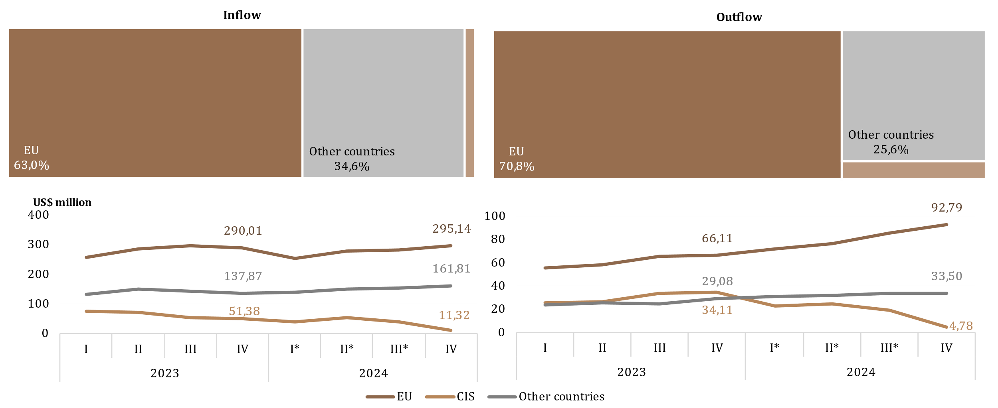

* revised data

 | 2023 |  |  |  | 2024
 | I | II | III | IV | I* | II* | III* | IV
Personal transfers | 271.4 | 298.69 | 283.67 | 268.85 | 252.53 | 253.35 | 260.23 | 263.67
Compensation of employees | 180.25 | 189.9 | 195.56 | 194.75 | 167.57 | 210.42 | 196.58 | 184.34
Capital transfers between households | 13.73 | 19.74 | 14.09 | 15.66 | 13.07 | 15.7 | 20.5 | 20.26
Personal transfers | -74.93 | -78.83 | -89.09 | -91.42 | -94.89 | -98.7 | -104.26 | -99.42
Compensation of employees | -24.17 | -24.92 | -26.07 | -28.9 | -25.62 | -26.9 | -27.24 | -23.42
Capital transfers between households | -6.24 | -6.64 | -8.97 | -8.98 | -4.99 | -7.9 | -7.49 | -8.23
Credit, total | 465.38 | 508.33 | 493.32 | 479.26 | 433.17 | 479.47 | 477.31 | 468.27
Debit, total | -105.34 | -110.39 | -124.13 | -129.3 | -125.5 | -133.5 | -138.99 | -131.07
Personal remittances (inflows) to GDP (%) | 13.5% | 12.8% | 10.9% | 10.3% | 11.3% | 11.3% | 9.2% | 9.6%

D13
I. Balance of payments of the Republic of Moldova in Quarter IV, 2024 (preliminary data)

In Q4 2024, the increase in the capital account surplus was driven by higher capital inflows to both the public and private sectors.

Chart 13. The evolution of the capital account
Capital account balance
Capital transfers, by sectors
 | inflows | outflows
2023-I | 6.68
2023-II | 11.99
2023-III | 19.85
2023-IV | 10.94
2024 -I* | 8.23
2024-II* | 8.75
2024-III* | 7.76
2024-IV | 16.24
2023-I | 13.73 | 6.24
2023-II | 19.74 | 6.64
2023-III | 14.09 | 8.97
2023-IV | 15.66 | 8.98
2024 -I* | 13.07 | 4.99
2024-II* | 15.7 | 7.90
2024-III* | 20.5 | 7.49
2024-IV | 20.26 | 8.23

* revised data

 | 2023 |  |  |  | 2024 |  |  |  |  |  | inflows | outflows
 | I | II | III | IV | I* | II* | III* | II | General government | 2023-I | 6.68
Balance KA | 14.17 | 25.09 | 24.97 | 17.62 | 16.3 | 16.5 | 20.77 | 28.27 |  | 2023-II | 11.99
% GDP (right axis) | 0.4 | 0.6 | 0.6 | 0.4 | 0.4 | 0.4 | 0.4 | 0.6 |  | 2023-III | 19.85
 |  |  |  |  |  |  |  |  |  | 2023-IV | 10.94
 |  |  |  |  |  |  |  |  |  | 2024 -I* | 8.23
 |  |  |  |  |  |  |  |  |  | 2024-II* | 8.75
 |  |  |  |  |  |  |  |  |  | 2024-III* | 7.76
 |  |  |  |  |  |  |  |  |  | 2024-IV | 16.24
 |  |  |  |  |  |  |  |  | Financial and nonfinancial corporations, Hs and NPISHs | 2023-I | 13.73 | 6.24
 |  |  |  |  |  |  |  |  |  | 2023-II | 19.74 | 6.64
 |  |  |  |  |  |  |  |  |  | 2023-III | 14.09 | 8.97
 |  |  |  |  |  |  |  |  |  | 2023-IV | 15.66 | 8.98
 |  |  |  |  |  |  |  |  |  | 2024 -I* | 13.07 | 4.99
 |  |  |  |  |  |  |  |  |  | 2024-II* | 15.70 | 7.90
 |  |  |  |  |  |  |  |  |  | 2024-III* | 20.50 | 7.49
 |  |  |  |  |  |  |  |  |  | 2024-IV | 20.26 | 8.23

D14
I. Balance of payments of the Republic of Moldova in Quarter IV, 2024 (preliminary data)

Net inflows of financial assets have been determined by transactions involving the reduction of assets in the form of currency and deposits. Net outflows of liabilities resulted from transactions of liabilities in the form of direct investment (reinvested earning) and loans.

Chart 14. Financial account, assets and liabilities by functional categories in Quarter IV 2024 (US$ million)
 | Direct investment | Currency and deposits | Loans | Trade credit and advances | Reserve assets | Other financial flows
Net acquisition of financial assets | 33.77 | -670.92 | -30.18 | 133.68 | -20.16 | 0
Net incurrence of liabilities | 73.89 | 6.94 | 523.42 | -100.92 |  | -0.77

 | Net acquisition of financial assets | Net incurrence of liabilities
Total | -486.56 | 502.41
Direct investment | 33.77 | 73.89
Portfolio investment | 67.25 | -0.15
Other financial flows | 0 | -0.77
Currency and deposits | -670.92 | 6.94
Loans | -30.18 | 523.42
Trade credit and advances | 133.68 | -100.92
Reserve assets | -20.16

D15
I. Balance of payments of the Republic of Moldova in Quarter IV, 2024 (preliminary data)

Net inflows of loans were primarily determined by net drawings of loans by public administration.

Chart 15. External loans (liabilities), drawings and repayments, in Quarter IV, 2024 (US$ million)
by institutional sector
by maturity

long- term

short-term

 | drawings | repayments |  | drawings | repayments
General government | 577.17 | 61.14 | short-term | 9.79 | 13.21
Deposit-taking corporations, except CB | 34.81 | 23.48 | long-term | 668.82 | 141.98
Nonfinancial corporations, Hs and NPISHs | 29.19 | 35.14
Other financial corporations | 37.44 | 31.50
Central bank | 0.00 | 3.92
Loans | 678.61 | 155.19

D16
I. Balance of payments of the Republic of Moldova in Quarter IV, 2024 (preliminary data)

In the quarter IV, 2024, the main creditors of general government were the European Bank for Reconstruction and Development and International Monetary Fund.

Chart 16. The main creditors of general government in Quarter IV, 2024

EBRD | 40.3%
IMF | 25.3%
Government of Canada | 9.8%
European Commission | 8.2%
IBRD | 8.1%
French Development Agency | 4.6%
EIB | 1.8%
IDA | 1.7%
IFAD | 0.3%

D17
II. International investment position at 12/31/2024 (preliminary data)

As of 12/31/2024, the net international investment position relative to GDP ratio improved compared to 12/31/2023.

Chart 17. Net international investment position, by institutional sector, % to GDP

* revised data

 | 2023 |  |  |  | 2024
 | I | II | III | IV | I* | II* | III* | IV
Central bank | 31.0 | 31.5 | 30.5 | 32.3 | 31.4 | 30.3 | 31.3 | 29.9
General government | -22.8 | -22.7 | -20.7 | -22.4 | -21.6 | -20.7 | -21.9 | -23.3
Deposit-taking corporations | -0.3 | 0.3 | 1.0 | 1.5 | 2.1 | 2.4 | 2.7 | 2.4
Other sectors | -51.7 | -50.6 | -50.3 | -47.1 | -46.4 | -44.2 | -43.7 | -39.7
Net IIP | -43.8 | -41.5 | -39.5 | -35.7 | -34.5 | -32.2 | -31.6 | -30.7

D18
II. International investment position at 12/31/2024 (preliminary data)

Reserve assets had the biggest share in the position of financial assets, while other investments and direct investment had significant shares in the financial liabilities position.

Chart 18. External financial assets and liabilities structure, by functional categories, at period-end (%)
 | Direct investment | Portfolio investment and financial derivatives | Other investment | Reserve assets | #REF! | Other investment | Direct investment | Portfolio investment and financial derivatives
I | 5.9 | 0.2 | 24.7 | 69.2 | 1 | -60.1 | -39.7 | -0.2
II | 5.7 | 0.2 | 24.1 | 70.0 |  | -60.3 | -39.5 | -0.2
III | 5.8 | 0.2 | 23.0 | 71.0 |  | -58.8 | -41.0 | -0.2
IV | 5.3 | 0.3 | 24.2 | 70.2 |  | -60.0 | -39.8 | -0.2
I* | 5.6 | 0.3 | 24.0 | 70.1 |  | -60.0 | -39.8 | -0.2
II* | 5.8 | 0.3 | 25.3 | 68.6 |  | -59.7 | -40.1 | -0.2
III* | 5.6 | 0.3 | 25.7 | 68.4 |  | -59.6 | -40.2 | -0.2
IV | 6.1 | 1.1 | 26.1 | 66.7 |  | -60.8 | -39.0 | -0.2

* revised data

Assets |  | 2023 |  |  |  | 2024
 |  | I | II | III | IV | I* | II* | III* | IV
 | Direct investment | 5.9 | 5.7 | 5.8 | 5.3 | 5.6 | 5.8 | 5.6 | 6.1
 | Portfolio investment and financial derivatives | 0.2 | 0.2 | 0.2 | 0.3 | 0.3 | 0.3 | 0.3 | 1.1
 | Other investment | 24.7 | 24.1 | 23.0 | 24.2 | 24.0 | 25.3 | 25.7 | 26.1
 | Reserve assets | 69.2 | 70.0 | 71.0 | 70.2 | 70.1 | 68.6 | 68.4 | 66.7
Liabilities | Other investment | -60.1 | -60.3 | -58.8 | -60.0 | -60.0 | -59.7 | -59.6 | -60.8
 | Direct investment | -39.7 | -39.5 | -41.0 | -39.8 | -39.8 | -40.1 | -40.2 | -39.0
 | Portfolio investment and financial derivatives | -0.2 | -0.2 | -0.2 | -0.2 | -0.2 | -0.2 | -0.2 | -0.2

D19
II. International investment position at 12/31/2024 (preliminary data)

As of 12/31/2024, the position of official reserve assets increased compared to 12/31/2023, and met all sufficiency criteria.

Chart 19. Indices of official reserve assets sufficiency

Note: Criteria are based on the IMF recommendations specified in “Assessing Reserve Adequacy - Specific Proposals", April 2015:
http://www.imf.org/external/np/pp/eng/2014/121914.pdf
* revised data for sufficiency indices

 | 2023 |  |  |  | 2024
 | I | II | III | IV | I * | II* | III* | IV
Reserve assets | 4,679.35 | 4,902.67 | 4,881.93 | 5,453.15 | 5,393.22 | 5,288.61 | 5,681.84 | 5,483.57
3 months of actual imports of goods and services | 2,641.36 | 2,576.67 | 2,555.62 | 2,460.06 | 2,402.94 | 2,473.01 | 2,530.95 | 2,604.61
100% of short-term external debt | 3,973.18 | 4,161.77 | 3,809.98 | 3,855.15 | 3,918.18 | 3,716.66 | 3,704.91 | 3,685.85
20% of M2 | 1,047.60 | 1,119.68 | 1,123.00 | 1,264.33 | 1,281.02 | 1,310.63 | 1,403.41 | 1,365.69
100% of (30%STD + 15%OL + 5%M2 + 5%eX) | 2,545.76 | 2,615.09 | 2,487.69 | 2,678.40 | 2,677.10 | 2,609.32 | 2,680.69 | 2,630.23
100-150% of (30%STD + 15%OL + 5%M2 + 5%eX) | 3,818.64 | 3,922.64 | 3,731.53 | 4,017.60 | 4,015.65 | 3,913.98 | 4,021.03 | 3,945.35

D20
II. International investment position at 12/31/2024 (preliminary data)

 | 1 | 1 | 1
Position of direct investment equity and shares from EU increased compared to 12/31/2023, while those from CIS and other coutries decreased.

Chart 20. Position of direct investment** – equity, by geographic region, at the end of period (US$ million)

* revised data
** positions calculated according to the own funds at book value method, by immediate investor’s country

 | 2023 |  |  |  | 2024
 | I | II | III | IV | I * | II* | III* | IV
EU | 2,882.34 | 2,880.39 | 3,030.68 | 3,014.09 | 3,007.27 | 2,996.98 | 3,219.17 | 3,066.65
Other countries | 511.64 | 547.44 | 543.82 | 584.31 | 523.66 | 507.73 | 572.57 | 534.23
CIS | -32.47 | -33.55 | -35.86 | -9.89 | -24.92 | -33.27 | -22.22 | -20.89

D21
II. International investment position at 12/31/2024 (preliminary data)

Financial activities and insurance, wholesale and retail trade, and manufacturing had the largest shares in the direct investment (equity) liabilities position.

Chart 21. Direct investment in domestic economy, equity as of 12/31/2024, by industry (according to NACE-2)

Note: Estimated data

Other | 3.4
Financial and insurance activities | 34.4
Wholesale and retail trade; repair of motor vehicles | 24.4
Manufacturing industry | 20.0
Information and communications | 5.9
Transportation and storage | 3.7
Electric and thermal energy, gas, hot water and air conditioning | 2.6
Real estate transactions | 2.4
Agriculture, forestry and fishing | 2.1
Health and social care | 1.1

D22
II. International investment position at 12/31/2024 (preliminary data)

The major share, of both financial assets and liabilities, accounted for long-term ones.

Chart 22. Structure of external financial assets and liabilities by maturity, at period-end (%)

* revised data

 |  | 2023 |  |  |  | 2024
 |  | I | II | III | IV | I * | II* | III* | IV
Assets | short-term | 46.9 | 44.0 | 39.7 | 43.1 | 37.9 | 36.4 | 40.7 | 41.8
 | long-term | 53.1 | 56.0 | 60.3 | 56.9 | 62.1 | 63.6 | 59.3 | 58.2
Liabilities | short-term | -21.0 | -21.0 | -20.4 | -19.6 | -19.8 | -19.5 | -18.7 | -17.5
 | long-term | -79.0 | -79.0 | -79.6 | -80.4 | -80.2 | -80.5 | -81.3 | -82.5

D23
III. External debt of the Republic of Moldova as of 12/31/2024 (preliminary data)

As of 12/31/2024, the main financing instrument used by the public authorities of the Republic of Moldova were loans, accounting for 91,4 percent of the total public external debt.

Chart 23. Public external debt at period-end, by maturities (according to the original maturity) and by instruments (US$ million)
by instruments, 2024-IV
by maturity

 | 2023 |  |  |  | 2024
 | I | II | III | IV | I | II | III | IV |  | 2024-IV
Public external debt | 3,476.97 | 3,574.01 | 3,347.52 | 3,820.52 | 3,751.41 | 3,656.46 | 4,009.46 | 4,310.26 | Loans | 3,938.72
Short-term | 0.78 | 1.01 | 1.15 | 1.30 | 1.50 | 1.75 | 1.96 | 2.23 | SDR allocations | 369.31
Long-term | 3,476.19 | 3,573.00 | 3,346.37 | 3,819.22 | 3,749.91 | 3,654.71 | 4,007.50 | 4,308.03 | Other | 2.23

D24
III. External debt of the Republic of Moldova as of 12/31/2024 (preliminary data)

The International Monetary Fund and the World Bank Group were the main external creditors of the public sector.

Chart 24. Structure of external public debt by creditors at period-end (%)

 | 2023 |  |  |  | 2024
 | I | II | III | IV | I | II | III | IV
IMF | 30.1 | 31.4 | 32.4 | 30.8 | 30.4 | 30.2 | 32.3 | 31.7
WB Group | 27.0 | 26.1 | 30.6 | 28.0 | 28.0 | 28.7 | 27.4 | 25.2
EBRD | 14.8 | 13.6 | 7.2 | 8.9 | 8.6 | 7.6 | 6.2 | 10.6
EIB | 12.7 | 12.4 | 12.8 | 11.8 | 12.1 | 12.5 | 12.1 | 10.5
European Commission | 5.5 | 6.6 | 6.8 | 7.7 | 7.6 | 7.8 | 8.8 | 8.7
IFAD | 2.1 | 2.0 | 2.2 | 2.0 | 2.0 | 2.0 | 1.9 | 1.7
Other creditors | 7.8 | 7.9 | 8.0 | 10.8 | 11.3 | 11.2 | 11.3 | 11.6

D25
III. External debt of the Republic of Moldova as of 12/31/2024 (preliminary data)

As of 31.12.2024, private external debt decreased compared to the end of 2023, being mainly contracted on long-term basis, and the main instruments were loans and trade credits and advances.

Chart 25. Private external debt at period-end (according to the original maturity), (US$ million)

 | 2023 |  |  |  | 2024 |  |  |  |  | 12/31/2024
 | I | II | III | IV | I* | II* | III* | IV
Private external debt | 6,401.04 | 6,395.51 | 6,214.88 | 6,298.32 | 6,264.44 | 6,117.25 | 6,184.42 | 5,903.07 | Loans | 50.1%
Short-term | 2,781.13 | 2,808.50 | 2,680.05 | 2,683.31 | 2,679.62 | 2,586.24 | 2,614.58 | 2,418.19 | Trade credit and advances | 36.4%
Long-term | 3,619.91 | 3,587.01 | 3,534.83 | 3,615.01 | 3,584.82 | 3,531.01 | 3,569.84 | 3,484.88 | Other debt liabilities | 10.2%
* revised data |  |  |  |  |  |  |  |  | Currency and deposits | 3.3%

D26
III. External debt of the Republic of Moldova as of 12/31/2024 (preliminary data)

Non-financial corporations mantained the main share in private external debt.

Chart 26. Structure of external private debt by institutional sectors at period-end (%)

* revised data

 | 2023 |  |  |  | 2024
 | I | II | III | IV | I* | II* | III* | IV
Nonfinancial corporations | 3,618.75 | 3,665.08 | 3,537.25 | 3,535.72 | 3,559.97 | 3,459.70 | 3,482.34 | 3,253.09
Direct investment: intercompany lending | 1,898.87 | 1,889.05 | 1,846.09 | 1,880.45 | 1,857.89 | 1,824.30 | 1,831.48 | 1,793.83
Deposit-taking corporations | 504.08 | 445.41 | 438.34 | 494.40 | 463.73 | 439.76 | 455.96 | 453.56
Other fin. corporations | 312.09 | 328.13 | 324.40 | 316.53 | 310.90 | 320.75 | 339.93 | 328.74
Households and NPISHs | 67.25 | 67.84 | 68.80 | 71.22 | 71.95 | 72.74 | 74.71 | 73.85

D27
III. External debt of the Republic of Moldova as of 12/31/2024 (preliminary data)

The main multilateral creditor of the private sector was EBRD.

Chart 27. Creditor structure of private debt (loans), as of 12/31/2024
 | 31.12.2024
Other creditors | 2,503.24
Deposit-taking corporations, except CB | 206.33
ERBD | 133.91
EIB | 76.05
IFC | 22.96
BSTDB | 10.26
CEB | 4.70

 | 2024-12-31
Other creditors | 2,503.24
Deposit-taking corporations, except CB | 206.33
Multilateral creditors | 247.88
ERBD | 133.91
EIB | 76.05
IFC | 22.96
BSTDB | 10.26
CEB | 4.70

